Products
S Code | Barcode | Parent Cat | Images | Category |  | Brand | Description | Units Per Case | Weight | Ex-Works | PROMO FOR FULL PALLET ORDERS ONLY - Ex Works | ORDER | COMMENT/MINIMUM ORDER QUANTITY (MOQ) | Shelf Life (days) | Pallet Qty | Layer Qty
 |  |  |  |  |  |  |  |  |  |  | Valid Until Oct 31st

 | 72417338069 | GROCERY |  | Biscuits & snacks | NEW PRODUCT | Maryland | Maryland Sandwich Choc Crème | 18 | 140g | £16.81 |  |  | FULL PALLETS PER SKU / UP TO 8 WEEK LEAD TIME | 365 | 154 | 22
 | 5056784900901 | GROCERY |  | ENERGY DRINKS | NEW PRODUCT | Monster | Monster Ultra Ruby Red 500ml x 12 (Can) | 12 | 500ml | £13.21 |  |  | ORDER IN LAYER QUANTITIES | 12 Weeks | 8 | 22
 | 8721201997655 | GROCERY | 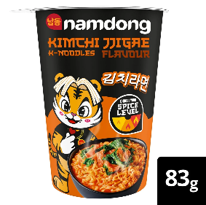 | INSTANT NOODLES | NEW PRODUCT | Namdong | Namdong Kimchi 8x83g Cup Db Uk Ie | 8 | 83 g | £8.87 |  |  | ORDER IN LAYER QUANTITIES | 9 | 105 | 7
 | 8721201997532 | GROCERY | 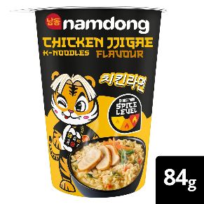 | INSTANT NOODLES | NEW PRODUCT | Namdong | Namdong Chicken 8x84g Cup Db Ukie | 8 | 84 g | £8.87 |  |  | ORDER IN LAYER QUANTITIES | 9 | 105 | 7
 | 8721201997518 | GROCERY | 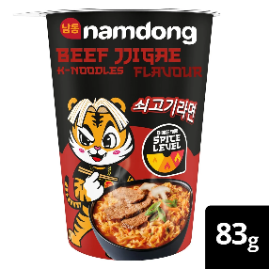 | INSTANT NOODLES | NEW PRODUCT | Namdong | Namdong Beef 8x83g Cup Db Ukie | 8 | 83 g | £8.87 |  |  | ORDER IN LAYER QUANTITIES | 9 | 105 | 7
 | 8721317713095 | GROCERY | 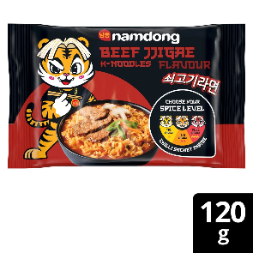 | INSTANT NOODLES | NEW PRODUCT | Namdong | Namdong Beef Nudle 10x120g Wrap Db Ukie | 10 | 120 g | £8.67 |  |  | ORDER IN LAYER QUANTITIES | 360 | 140 | 7
 | 8721317713156 | GROCERY | 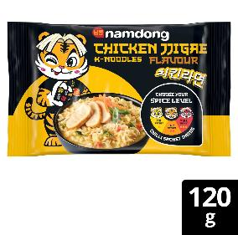 | INSTANT NOODLES | NEW PRODUCT | Namdong | Namdong Chick Nudle 10x120g Wrap Db Ukie | 10 | 120 g | £8.67 |  |  | ORDER IN LAYER QUANTITIES | 360 | 140 | 7
 | 8721317713170 | GROCERY | 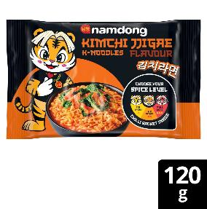 | INSTANT NOODLES | NEW PRODUCT | Namdong | Namdong Kimchi Nudle 10x120g Wrp Db Ukie | 10 | 120 g | £8.67 |  |  | ORDER IN LAYER QUANTITIES | 360 | 140 | 7
 | 8721317716577 | GROCERY | 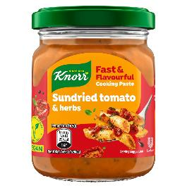 | COOKING SAUCES & PASTES | NEW PRODUCT | Knorr | Knorr Sundried Tomato & Herbs Cooking Paste 165g | 8 | 165 g | £11.21 |  |  | ORDER IN LAYER QUANTITIES | 360 | 310 | 10
 | 8721317716591 | GROCERY | 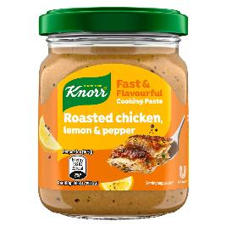 | COOKING SAUCES & PASTES | NEW PRODUCT | Knorr | Knorr Cookpaste Chicken 8x165g Gla Db Ukie | 8 | 165 g | £11.21 |  |  | ORDER IN LAYER QUANTITIES | 360 | 310 | 10
 | 8721317716614 | GROCERY | 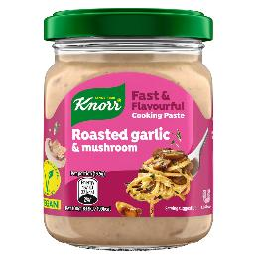 | COOKING SAUCES & PASTES | NEW PRODUCT | Knorr | Knorr Cookpaste Garlic 8x165g Gla Db Ukie | 8 | 165 g | £11.21 |  |  | ORDER IN LAYER QUANTITIES | 360 | 310 | 10
 | 8721317716638 | GROCERY | 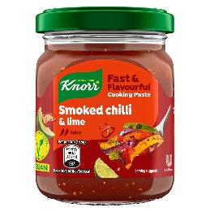 | COOKING SAUCES & PASTES | NEW PRODUCT | Knorr | Knorr Cookpaste Spicy 8x165g Gla Db Ukie | 8 | 165 g | £11.21 |  |  | ORDER IN LAYER QUANTITIES | 360 | 310 | 10
 | 5060283763806 | GROCERY | 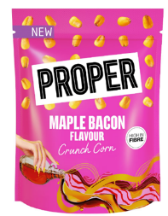 | SNACKS &POPCORN | NEW PRODUCT | Proper | Proper Maple Bacon Crunch Corn | 8 | 8 X 125G | £19.58 |  |  |  | 120 | 126 | 21
 | 5060283763820 | GROCERY | 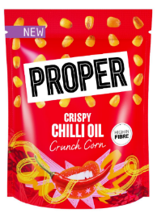 | SNACKS &POPCORN | NEW PRODUCT | Proper | Proper Chilli Oil Crunch Corn | 8 | 8 X 125G | £19.58 |  |  |  | 120 | 126 | 21
 | 5060283763820 | GROCERY | 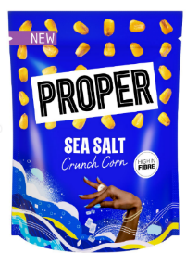 | SNACKS &POPCORN | NEW PRODUCT | Proper | Proper Sea Salt Crunch Corn | 8 | 8 X 125G | £19.58 |  |  |  | 120 | 126 | 21
 | 5060283763783 | GROCERY | 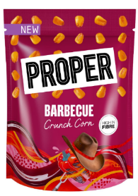 | SNACKS &POPCORN | NEW PRODUCT | Proper | Proper Barbecue Bacon Crunch Corn | 8 | 8 X 125G | £19.58 |  |  |  | 120 | 126 | 21
S0226475 | 5060238950503 | GROCERY | 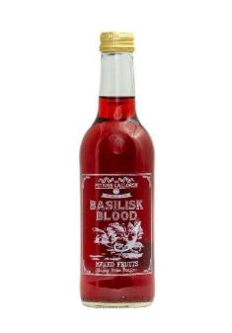 | SOFT DRINKS | NEW SUPPLIER | The Potions Cauldron | Basilisk Blood Mix Fruits Drink 330ml | 12 | 550g | £18.04 |  |  |  | 365 | 144 | 24
S0226477 | 5060238950527 | GROCERY | 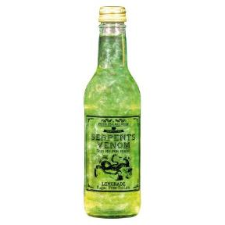 | SOFT DRINKS | NEW SUPPLIER | The Potions Cauldron | Serpents Venom Lemonade 330ml | 12 | 550g | £18.04 |  |  |  | 365 | 144 | 24
S0226481 | 5060238950541 | GROCERY | 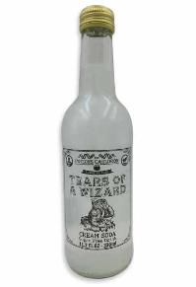 | SOFT DRINKS | NEW SUPPLIER | The Potions Cauldron | Tears of A Wizard Cream Soda 330ml | 12 | 550g | £18.04 |  |  |  | 365 | 80 | 6
S0226474 | 5060238950565 | GROCERY | 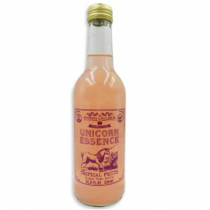 | SOFT DRINKS | NEW SUPPLIER | The Potions Cauldron | Unicorn Essence Fruit Twist Drink 330ml | 12 | 550g | £18.04 |  |  |  | 365 | 144 | 24
S0226482 | 5060238954990 | GROCERY | 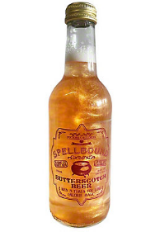 | SOFT DRINKS | NEW SUPPLIER | The Potions Cauldron | Spellbound Butterscotch Beer (Non-Alcoholic) 330ml | 12 | 550g | £18.04 |  |  |  | 365 | 144 | 24
S0226486 | 5060238950589 | GROCERY | 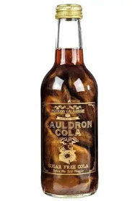 | SOFT DRINKS | NEW SUPPLIER | The Potions Cauldron | Cauldron Cola Drink 330ml | 12 | 550g | £18.04 |  |  |  | 365 | 80 | 6
S0226491 | 5060238950473 | GROCERY | 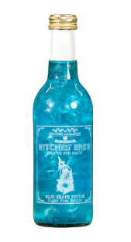 | SOFT DRINKS | NEW SUPPLIER | The Potions Cauldron | Witches' Brew Blue Grape Drink 330ml | 12 | 550g | £18.04 |  |  |  | 365 | 144 | 24
S0226484 | 5060595590220 | GROCERY | 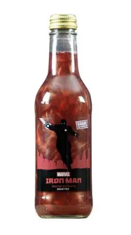 | SOFT DRINKS | NEW SUPPLIER | The Potions Cauldron | Iron Man Mixed Fruits Drink 330ml | 12 | 550g | £15.87 |  |  |  | 365 | 144 | 24
S0226479 | 5060595590237 | GROCERY |  | SOFT DRINKS | NEW SUPPLIER | The Potions Cauldron | Captain America Blue Grape 330ml | 12 | 550g | £15.87 |  |  |  | 365 | 144 | 24
S0226487 | 5060595590213 | GROCERY |  | SOFT DRINKS | NEW SUPPLIER | The Potions Cauldron | Hulk Lemonade 330ml | 12 | 550g | £15.87 |  |  |  | 365 | 144 | 24
S0226488 | 5060595590022 | GROCERY | 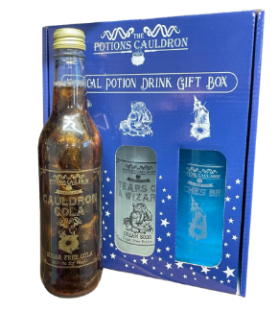 | SOFT DRINKS | NEW SUPPLIER | The Potions Cauldron | Mystical Gift Box - 1 x Tears of a Wizard, Cauldron Cola and 1 x Witches' Brew | 4 | 1.7kg | £22.85 |  |  |  | 365 | 144 | 24
S0226485 | 5060595590015 | GROCERY | 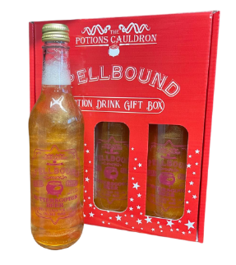 | SOFT DRINKS | NEW SUPPLIER | The Potions Cauldron | Spellbound Gift Box - 3 x Spellbound Butterscoch Beer | 4 | 1.7kg | £22.85 |  |  |  | 365 | 144 | 24
S0226490 | 5060595590008 | GROCERY | 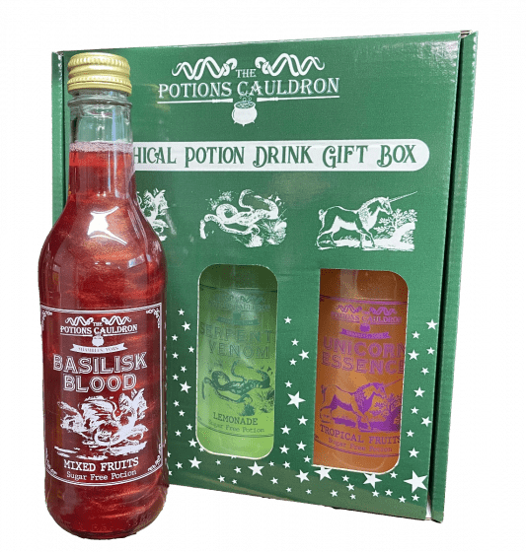 | SOFT DRINKS | NEW SUPPLIER | The Potions Cauldron | Mythical Gift Box - 1 X Basilisk Blood, 1 x Unicorn Essence and 1 x Serpents | 4 | 1.7kg | £22.85 |  |  |  | 365 | 80 | 6
S0226483 | 5060595590312 | GROCERY | 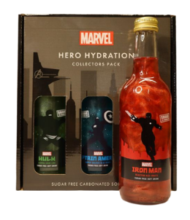 | SOFT DRINKS | NEW SUPPLIER | The Potions Cauldron | MARVEL Hero Hydration - 1 x Captain America, 1 x Hulk and 1 x Iron Man | 4 | 1.7kg | £22.85 |  |  |  | 365 | 144 | 24
S0226478 | 5060595590350 | GROCERY |  | SOFT DRINKS | NEW SUPPLIER | The Potions Cauldron | Mister Fantastic Blue Grape Drink | 12 | 550g | £18.04 |  |  |  | 365 | 144 | 24
S0226489 | 5060595590374 | GROCERY |  | SOFT DRINKS | NEW SUPPLIER | The Potions Cauldron | Human Torch Mixed Fruits Drink | 12 | 550g | £18.04 |  |  |  | 365 | 80 | 6
S0226476 | 5060595590367 | GROCERY |  | SOFT DRINKS | NEW SUPPLIER | The Potions Cauldron | Invisble Woman Cream Soda Drink | 12 | 550g | £18.04 |  |  |  | 365 | 144 | 24
S0226480 | 5060595590381 | GROCERY |  | SOFT DRINKS | NEW SUPPLIER | The Potions Cauldron | The Thing Butterscotch Beer (Non-Alcoholic) | 12 | 550g | £18.04 |  |  |  | 365 | 144 | 24
 | 5060113086754 | Grocery | 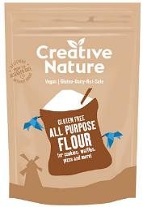 | Baking | NEW SUPPLIER | Creative Nature | Gltuen Free All-Purpose Flour | 6 | 500g | £19.29 |  |  | 100 mixed Cases | 18 months
 | 5060113086877 | Grocery | 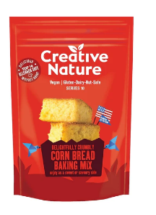 | Baking | NEW SUPPLIER | Creative Nature | Delightfully Crumbly Corn Bread Baking Mix | 6 | 315g | £14.29 |  |  | 100 mixed Cases | 18 months
 | 5060113086037 | Grocery | 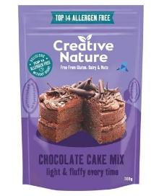 | Baking | NEW SUPPLIER | Creative Nature | Cacao Rich Chocolate Cake Baking Mix | 6 | 300g | £15.00 |  |  | 100 mixed Cases | 18 months
 | 5060113086785 | Grocery | 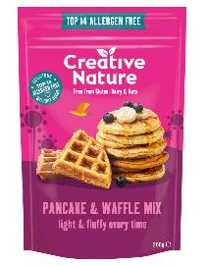 | Baking | NEW SUPPLIER | Creative Nature | Pancake and Waffle Baking Mix | 6 | 266g | £14.29 |  |  | 100 mixed Cases | 18 months
 | 5060113085955 | Grocery | 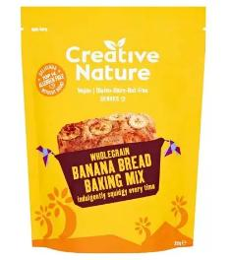 | Baking | NEW SUPPLIER | Creative Nature | Wholegrain Banana Bread Mix | 6 | 250g | £14.29 |  |  | 100 mixed Cases | 18 months
 | 5060113086761 | Grocery | 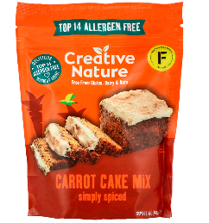 | Baking | NEW SUPPLIER | Creative Nature | Spiced Carrot Cake Baking Mix | 6 | 268g | £14.29 |  |  | 100 mixed Cases | 18 months
 | 5060113085993 | Grocery | 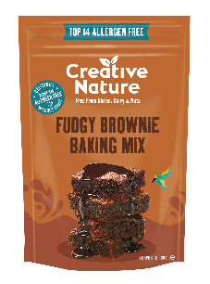 | Baking | NEW SUPPLIER | Creative Nature | Fudgy Brownie Mix | 6 | 250g | £15.00 |  |  | 100 mixed Cases | 18 months
 | 5060113087713 | Grocery | 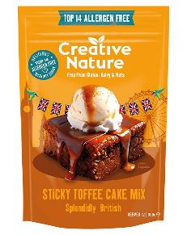 | Baking | NEW SUPPLIER | Creative Nature | Sticky Toffee Cake Mix | 6 | 300g | £14.29 |  |  | 100 mixed Cases | 18 months
 | 5060113081117 | Grocery |  | Bars | NEW SUPPLIER | Creative Nature | Berry Blend Fruit Oatie Bar | 20 | 38g | £16.67 |  |  | 100 mixed Cases | 12 months
 | 5060113087560 | Grocery |  | Bars | NEW SUPPLIER | Creative Nature | Blueberry Muffin Flapjack | 20 | 30g | £16.67 |  |  | 100 mixed Cases | 12 months
 | 5060113081124 | Grocery | 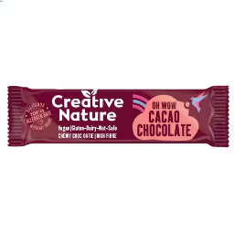 | Bars | NEW SUPPLIER | Creative Nature | Cacao Chocolate Fruit Oatie Bar | 20 | 38g | £16.67 |  |  | 100 mixed Cases | 12 months
 | 5060113086259 | Grocery |  | Snacking | NEW SUPPLIER | Creative Nature | Magibles HazelNOT | 15 | 30g | £16.07 |  |  | 100 mixed Cases | 15 months
 | 5060113086273 | Grocery |  | Snacking | NEW SUPPLIER | Creative Nature | Maigbles Creamy Mylk Chocolate | 15 | 30g | £16.07 |  |  | 100 mixed Cases | 15 months
 | 5060113087027 | Grocery | 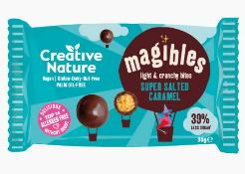 | Snacking | NEW SUPPLIER | Creative Nature | Magibles Salted Caramel | 15 | 30g | £16.07 |  |  | 100 mixed Cases | 15 months
 | 5060113086600 | Grocery |  | Snacking | NEW SUPPLIER | Creative Nature | Magibles Cheeky Choc Hazelnot Share Bag | 6 | 75g | £12.86 |  |  | 100 mixed Cases | 15 months
 | 5060113086594 | Grocery |  | Snacking | NEW SUPPLIER | Creative Nature | Magibles Creamy Mylk Chocolate Share Bag | 6 | 75g | £12.86 |  |  | 100 mixed Cases | 15 months
 | 5060113086624 | Grocery | 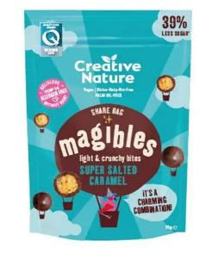 | Snacking | NEW SUPPLIER | Creative Nature | Magibles Super Salted Caramel Share Bag | 6 | 75g | £12.86 |  |  | 100 mixed Cases | 15 months
 | 5060113087508 | Grocery | 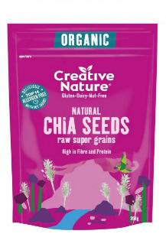 | Superfoods | NEW SUPPLIER | Creative Nature | Organic Chia Seeds | 6 | 350g | £31.79 |  |  | 100 mixed Cases | 18 months
 | 5060113087522 | Grocery | 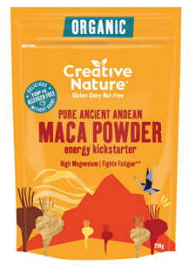 | Superfoods | NEW SUPPLIER | Creative Nature | Organic Maca Powder | 6 | 250g | £31.79 |  |  | 100 mixed Cases | 18 months
 | 5060113080141 | Grocery | 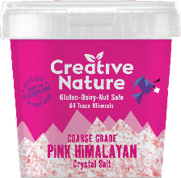 | Superfoods | NEW SUPPLIER | Creative Nature | Coarse Grade Pink Himalayan Crystal Salt | 6 | 300g | £19.29 |  |  | 100 mixed Cases | 18 months
 | 5060113081100 | Grocery | 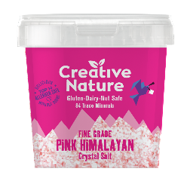 | Superfoods | NEW SUPPLIER | Creative Nature | Fine Grade Pink Himalayan Crystal Salt | 6 | 300g | £19.29 |  |  | 100 mixed Cases | 18 months
 | 5060113088109 | Grocery | 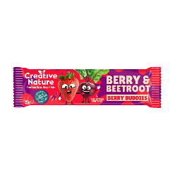 | Kids Bars | NEW SUPPLIER | Creative Nature | Berry & Beetroot Fruit Snack Bar | 20 | 25g | £11.90 |  |  | 100 mixed Cases | 7 months
 | 5060113088093 | Grocery | 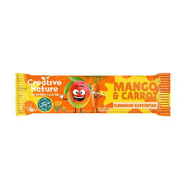 | Kids Bars | NEW SUPPLIER | Creative Nature | Mango & Carrot Fruit Snack Bar | 20 | 25g | £11.90 |  |  | 100 mixed Cases | 7 months
S0228633 | 5000157137951 | GROCERY | 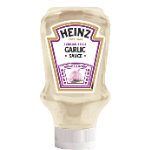 | BAKED BEANS | NEW LISTING FOR AUGUST | HEINZ | HEINZ GARLIC SAUCE (10) 400ML | 10 | 400 | £28.54 | £26.93 |  | ORDER IN LAYER QUANTITIES | 180 | 161 | 23
S0182727 | 5000157078810 | GROCERY |  | MEALS | NEW LISTING FOR AUGUST | HEINZ | HEINZ BEANZ NO SUGAR SPOT 4PK(6X4) 200GM | 24 | 200 | £20.15 | £19.02 |  | ORDER IN LAYER QUANTITIES | 180 | 119 | 17
S0190896 | 5000157007216 | GROCERY |  | OTHER TINS | NEW LISTING FOR AUGUST | HEINZ | HEINZ MACARONI CHEESE (24) 200GM | 24 | 200 | £32.73 | £30.89 |  | ORDER IN LAYER QUANTITIES | 180 | 176 | 8
S0043279 | 5000157007391 | GROCERY |  | OTHER TINS | NEW LISTING FOR AUGUST | HEINZ | HEINZ SPAGHETTI BOLOGNESE WF(24) 200GM | 24 | 200 | £32.73 | £30.89 |  | ORDER IN LAYER QUANTITIES | 180 | 176 | 8
S0140778 | 5000157024947 | GROCERY |  | OTHER TINS | NEW LISTING FOR AUGUST | HEINZ | HEINZ SPAGHETTI TOMATO SAUCE WF(48) 200GM | 48 | 200 | £46.54 | £43.92 |  | ORDER IN LAYER QUANTITIES | 180 | 88 | 8
S0140774 | 5000157024954 | GROCERY |  | OTHER TINS | NEW LISTING FOR AUGUST | HEINZ | HEINZ HOOPS TOMATO SAUCE (48) 205GM | 48 | 205 | £46.54 | £43.92 |  | ORDER IN LAYER QUANTITIES | 180 | 88 | 8
S0192417 | 5000157026224 | GROCERY | 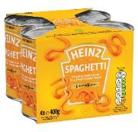 | OTHER TINS | NEW LISTING FOR AUGUST | HEINZ | HEINZ SPAGHETTI X4PK SF WF(6X4) 400GM | 24 | 400 | £21.46 | £20.26 |  | ORDER IN LAYER QUANTITIES | 180 | 96 | 8
S0043280 | 5000157068743 | GROCERY | 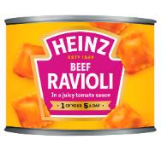 | OTHER TINS | NEW LISTING FOR AUGUST | HEINZ | HEINZ RAVIOLI TOMATO SAUCE (24) 200GM | 24 | 200 | £32.73 | £30.89 |  | ORDER IN LAYER QUANTITIES | 180 | 176 | 8
S0192419 | 5000157078797 | GROCERY |  | OTHER TINS | NEW LISTING FOR AUGUST | HEINZ | HEINZ BEANZ NAS VEGAN 4PK (6X4) 415GM | 24 | 415 | £24.02 | £22.67 |  | ORDER IN LAYER QUANTITIES | 180 | 96 | 8
S0140721 | 50457854 | GROCERY | 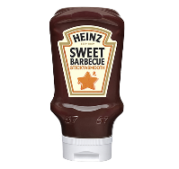 | SAUCES & CONDIMENTS | NEW LISTING FOR AUGUST | HEINZ | HEINZ STICKY BBQ SAUCE TD (UK)(10) 500GM | 10 | 500 | £30.14 | £28.45 |  | ORDER IN LAYER QUANTITIES | 180 | 161 | 23
S0182765 | 5000157078858 | GROCERY |  | SAUCES & CONDIMENTS | NEW LISTING FOR AUGUST | HEINZ | HEINZ SMOKEY BACONNAISE SCE ( 8) 220ML | 8 | 220 | £17.15 | £16.19 |  | ORDER IN LAYER QUANTITIES | 180 | 405 | 45
S0228634 | 8715700128641 | GROCERY |  | SAUCES & CONDIMENTS | NEW LISTING FOR AUGUST | HEINZ | HEINZ SWEET SRIRACHA KETCHUP (10) 400ML | 10 | 400 | £29.76 | £28.09 |  | ORDER IN LAYER QUANTITIES | 180 | 161 | 23
S0043177 | 5000157062802 | GROCERY |  | SOUPS | NEW LISTING FOR AUGUST | HEINZ | HEINZ BIG SOUP BEEF BROTH (12) 400GM | 12 | 400 | £23.81 | £22.47 |  | ORDER IN LAYER QUANTITIES | 180 | 180 | 15
S0085552 | 5000157072641 | GROCERY |  | SOUPS | NEW LISTING FOR AUGUST | HEINZ | HEINZ BIG SOUP CHICKEN & LEEK (12) 400GM | 12 | 400 | £23.81 | £22.47 |  | ORDER IN LAYER QUANTITIES | 180 | 180 | 15
S0086018 | 5000157074027 | GROCERY |  | SOUPS | NEW LISTING FOR AUGUST | HEINZ | HEINZ LENTIL & BACON SOUP (24) 400GM | 24 | 400 | £36.61 | £34.55 |  | ORDER IN LAYER QUANTITIES | 180 | 96 | 8
S0130640 | 5000157075079 | GROCERY |  | SOUPS | NEW LISTING FOR AUGUST | HEINZ | HEINZ OXTAIL DRY CUP SOUP (6X4) 62GM | 6 | 62 | £8.02 | £7.57 |  | ORDER IN LAYER QUANTITIES | 180 | 462 | 42
S0130632 | 5000157078407 | GROCERY | 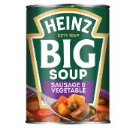 | SOUPS | NEW LISTING FOR AUGUST | HEINZ | HEINZ BIG SOUP SAUS & VEG (12) 400GM | 12 | 400 | £23.81 | £22.47 |  | ORDER IN LAYER QUANTITIES | 180 | 180 | 15
S0096175 | 5000157062475 | GROCERY |  | SOUPS | NEW LISTING FOR AUGUST | HEINZ | HEINZ TOMATO SOUP (12) 300GM | 12 | 300 | £17.57 | £16.58 |  | ORDER IN LAYER QUANTITIES | 180 | 234 | 18
S0043142 | 5000157062512 | GROCERY |  | SOUPS | NEW LISTING FOR AUGUST | HEINZ | HEINZ MUSHROOM SOUP (12) 290GM | 12 | 290 | £17.57 | £16.58 |  | ORDER IN LAYER QUANTITIES | 180 | 234 | 18
S0043160 | 5000157062703 | GROCERY |  | SOUPS | NEW LISTING FOR AUGUST | HEINZ | HEINZ SCOTCH BROTH (24) 400GM | 24 | 400 | £36.61 | £34.55 |  | ORDER IN LAYER QUANTITIES | 180 | 96 | 8
S0043161 | 5000157064806 | GROCERY |  | SOUPS | NEW LISTING FOR AUGUST | HEINZ | HEINZ SPRING VEGETABLE SOUP (24) 400GM | 24 | 400 | £36.61 | £34.55 |  | ORDER IN LAYER QUANTITIES | 180 | 96 | 8
S0190891 | 5000157064950 | GROCERY | 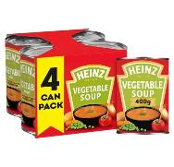 | SOUPS | NEW LISTING FOR AUGUST | HEINZ | HEINZ VEGETABLE SOUP X4PK (6X4) 400GM | 24 | 400 | £27.63 | £26.08 |  | ORDER IN LAYER QUANTITIES | 180 | 96 | 8
S0130641 | 5000157074836 | GROCERY |  | SOUPS | NEW LISTING FOR AUGUST | HEINZ | HEINZ CHICKEN DRY CUP SOUP (6X4) 68GM | 6 | 68 | £8.02 | £7.57 |  | ORDER IN LAYER QUANTITIES | 180 | 462 | 42
S0105351 | 5000157075086 | GROCERY |  | SOUPS | NEW LISTING FOR AUGUST | HEINZ | HEINZ MINESTRONECUP SP CROTON (6X4) 72GM | 6 | 72 | £8.02 | £7.57 |  | ORDER IN LAYER QUANTITIES | 180 | 462 | 42
S0140770 | 50457786 | GROCERY |  | VINEGARS & PICKED VEGETABLES | NEW LISTING FOR AUGUST | HEINZ | HEINZ MALT VINEGAR ( 6) 250ML | 6 | 250 | £4.64 | £4.38 |  | ORDER IN LAYER QUANTITIES | 180 | 560 | 80
S0190883 | 5000157066329 | GROCERY |  | MEALS |  | HEINZ | HEINZ HOOPS SNAP POTS (6X4) 190GM | 24 | 190 | £18.73 | £17.67 |  | ORDER IN LAYER QUANTITIES | 180 | 119 | 17
S0182710 | 5000157073051 | GROCERY |  | MEALS |  | HEINZ | HEINZ FIVE BEANZ SNAP POTS (6X4) 200GM | 24 | 200 | £21.46 | £20.26 |  | ORDER IN LAYER QUANTITIES | 180 | 119 | 17
S0190913 | 5000157066312 | GROCERY |  | MEALS |  | HEINZ | HEINZ BAKED BEANS SNAP POTS (6X4) 200GM | 24 | 200 | £20.15 | £19.02 |  | ORDER IN LAYER QUANTITIES | 180 | 119 | 17
S0182740 | 5000157078773 | GROCERY |  | OTHER TINS |  | HEINZ | HEINZ BEANZ NAS VEGAN (24) 415GM | 24 | 415 | £32.08 | £30.28 |  | ORDER IN LAYER QUANTITIES | 180 | 96 | 8
S0043257 | 5000157006875 | GROCERY |  | OTHER TINS | TOP 100 | HEINZ | HEINZ SPAGHETTI TOMATO SAUCE WF(24) 400GM | 24 | 400 | £29.54 | £27.88 |  | ORDER IN LAYER QUANTITIES | 180 | 96 | 8
S0105169 | 5000157062772 | GROCERY |  | OTHER TINS | HEINZ CORE RANGE | HEINZ | HEINZ BIG SOUP CHICKEN & VEGETABLE (12) 400GM | 12 | 400 | £23.81 | £22.47 |  | ORDER IN LAYER QUANTITIES | 180 | 180 | 15
S0227187 | 5000157154491 | GROCERY | 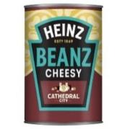 | OTHER TINS |  | HEINZ | HEINZ BEANZ CHEESY (12) 390GM | 12 | 390 | £22.21 | £20.97 |  | ORDER IN LAYER QUANTITIES | 180 | 15 | 180
S0043282 | 5000157025043 | GROCERY |  | OTHER TINS | BEST SELLER | HEINZ | HEINZ MACARONI CHEESE (24) 400GM | 24 | 400 | £44.44 | £41.94 |  | ORDER IN LAYER QUANTITIES | 180 | 96 | 8
S0043284 | 5000157025050 | GROCERY |  | OTHER TINS | HEINZ CORE RANGE | HEINZ | HEINZ SPAGHETTI BOLOGNESE WF(24) 400GM | 24 | 400 | £44.44 | £41.94 |  | ORDER IN LAYER QUANTITIES | 180 | 96 | 8
S0043283 | 5000157068750 | GROCERY |  | OTHER TINS | HEINZ CORE RANGE | HEINZ | HEINZ RAVIOLI TOMATO SAUCE OLS(24) 400GM | 24 | 400 | £44.44 | £41.94 |  | ORDER IN LAYER QUANTITIES | 180 | 96 | 8
S0182707 | 5000157072900 | GROCERY |  | OTHER TINS |  | HEINZ | HEINZ BEANZ FIERY CHILLI (12) 390GM | 12 | 390 | £17.36 | £16.38 |  | ORDER IN LAYER QUANTITIES | 180 | 180 | 15
S0227190 | 5000157154323 | GROCERY |  | OTHER TINS |  | HEINZ | HEINZ BEANZ TIKKA (12) 390GM | 12 | 390 | £17.36 | £16.38 |  | ORDER IN LAYER QUANTITIES | 180 | 15 | 180
S0140788 | 5000157063922 | GROCERY |  | OTHER TINS |  | HEINZ | HEINZ ALPHABETTI PASTA SHAPES (24) 400GM | 24 | 400 | £29.54 | £27.88 |  | ORDER IN LAYER QUANTITIES | 180 | 96 | 8
S0103353 | 5000157071613 | GROCERY |  | OTHER TINS |  | HEINZ | HEINZ PEPPA PIG PASTA SHAPES (12) 205GM | 12 | 205 | £10.13 | £9.56 |  | ORDER IN LAYER QUANTITIES | 180 | 330 | 15
S0140797 | 5000157076571 | GROCERY |  | OTHER TINS |  | HEINZ | HEINZ MINIONS PASTA SHAPES (12) 205GM | 12 | 205 | £10.13 | £9.56 |  | ORDER IN LAYER QUANTITIES | 180 | 330 | 15
S0182724 | 5000157078780 | GROCERY |  | OTHER TINS | HEINZ CORE RANGE | HEINZ | HEINZ BEANZ NAS VEGAN (48) 200GM | 48 | 200 | £49.71 | £46.92 |  | ORDER IN LAYER QUANTITIES | 180 | 88 | 8
S0221525 | 5000157139603 | GROCERY |  | OTHER TINS |  | HEINZ | HEINZ CHERRY TOMATO & BASIL 6) 0.35KG | 6 | 350 | £12.63 | £11.92 |  | ORDER IN LAYER QUANTITIES | 180 | 272 | 34
S0226719 | 5000157154927 | GROCERY |  | OTHER TINS |  | HEINZ | HEINZ SPAGHETTI & SAUSAGES RM(24) 400GM | 24 | 400 | £44.44 | £41.94 |  | ORDER IN LAYER QUANTITIES | 180 | 96 | 8
S0226720 | 5000157156129 | GROCERY |  | OTHER TINS |  | HEINZ | HEINZ SPAGHETTI CARBONARA (24) 400G | 24 | 400 | £44.44 | £41.94 |  | ORDER IN LAYER QUANTITIES | 180 | 96 | 12
S0093583 | 5000157006899 | GROCERY |  | OTHER TINS | TOP 100 | HEINZ | HEINZ HOOPS TOMATO SAUCE (24) 400GM | 24 | 400 | £29.54 | £27.88 |  | ORDER IN LAYER QUANTITIES | 180 | 96 | 8
S0226717 | 5000157146342 | GROCERY |  | SAUCE MIXES & STOCK CUBES |  | HEINZ | HEINZ MASCARPONE (6) | 6 | 350 | £12.63 | £11.92 |  | ORDER IN LAYER QUANTITIES | 180 | 34 | 272
S0182702 | 50157228 | GROCERY |  | SAUCES & CONDIMENTS |  | HEINZ | HEINZ SALAD CREAM (12) 285GM | 12 | 285 | £27.31 | £25.78 |  | ORDER IN LAYER QUANTITIES | 180 | 156 | 26
S0182720 | 50157471 | GROCERY |  | SAUCES & CONDIMENTS | HEINZ CORE RANGE | HEINZ | HEINZ BURGER SAUCE ( 8) 220ML | 8 | 220 | £17.17 | £16.20 |  | ORDER IN LAYER QUANTITIES | 180 | 405 | 45
S0182739 | 50157655 | GROCERY |  | SAUCES & CONDIMENTS | TOP 100 | HEINZ | HEINZ TOMATO KETCHUP SQZY (10) 342GM | 10 | 342 | £21.39 | £20.19 |  | ORDER IN LAYER QUANTITIES | 180 | 252 | 36
S0140839 | 50457366 | GROCERY |  | SAUCES & CONDIMENTS | BEST SELLER | HEINZ | HEINZ TOMATO KETCHUP GLASS (12) 342GM | 12 | 342 | £32.26 | £30.45 |  | ORDER IN LAYER QUANTITIES | 180 | 132 | 22
S0182714 | 5000157075253 | GROCERY |  | SAUCES & CONDIMENTS |  | HEINZ | HEINZ SALAD CREAM LIGHT (10) 415GM | 10 | 415 | £30.21 | £28.52 |  | ORDER IN LAYER QUANTITIES | 180 | 161 | 23
S0140813 | 5000157079282 | GROCERY |  | SAUCES & CONDIMENTS | HEINZ CORE RANGE | HEINZ | HEINZ GARLIC SAUCE TOP DOWN ( 8) 230GM | 8 | 230 | £18.70 | £17.65 |  | ORDER IN LAYER QUANTITIES | 180 | 405 | 45
S0182729 | 5000157140227 | GROCERY |  | SAUCES & CONDIMENTS |  | HEINZ | HEINZ SALAD CREAM (10) 570ML | 10 | 570 | £37.36 | £35.26 |  | ORDER IN LAYER QUANTITIES | 180 | 120 | 20
S0182730 | 5000157140234 | GROCERY |  | SAUCES & CONDIMENTS |  | HEINZ | HEINZ SALAD CREAM LIGHT (10) 570ML | 10 | 570 | £37.36 | £35.26 |  | ORDER IN LAYER QUANTITIES | 180 | 120 | 20
S0140843 | 5000157140241 | GROCERY |  | SAUCES & CONDIMENTS |  | HEINZ | HEINZ TOMATO KETCHUP TD (10) 570ML | 10 | 570 | £35.08 | £33.11 |  | ORDER IN LAYER QUANTITIES | 180 | 120 | 20
S0192413 | 50457243 | GROCERY |  | SAUCES & CONDIMENTS | HEINZ CORE RANGE | HEINZ | HNZ TOMATO KETCHUP TD (10) 460GM | 10 | 460 | £29.40 | £27.75 |  | ORDER IN LAYER QUANTITIES | 180 | 184 | 23
S0192416 | 50457656 | GROCERY |  | SAUCES & CONDIMENTS | HEINZ CORE RANGE | HEINZ | HNZ TK 50% LESS SS TD(UK/IR)(10) 400ML | 10 | 400 | £29.40 | £27.75 |  | ORDER IN LAYER QUANTITIES | 180 | 161 | 23
S0130606 | 50457878 | GROCERY |  | SAUCES & CONDIMENTS | HEINZ CORE RANGE | HEINZ | HEINZ CLASSIC BBQ SC TD(UK) (10) 480GM | 10 | 480 | £29.42 | £27.76 |  | ORDER IN LAYER QUANTITIES | 180 | 161 | 23
S0182735 | 5000157075154 | GROCERY |  | SAUCES & CONDIMENTS | TOP 100 | HEINZ | HEINZ SALAD CREAM (10) 425GM | 10 | 425 | £30.21 | £28.52 |  | ORDER IN LAYER QUANTITIES | 180 | 161 | 23
S0140718 | 5000157140210 | GROCERY |  | SAUCES & CONDIMENTS |  | HEINZ | HEINZ BBQ SAUCE CLASSIC TD (10) 570ML | 10 | 570 | £35.08 | £33.11 |  | ORDER IN LAYER QUANTITIES | 180 | 120 | 20
S0226718 | 8715700125756 | GROCERY |  | SAUCES & CONDIMENTS |  | HEINZ | HEINZ BACON KETCHUP (10) 400ML | 10 | 400 | £29.76 | £28.09 |  | ORDER IN LAYER QUANTITIES | 180 | 23 | 161
S0227172 | 8715700125763 | GROCERY |  | SAUCES & CONDIMENTS |  | HEINZ | HEINZ PICKLE KETCHUP (10) 400ML | 10 | 400 | £29.76 | £28.09 |  | ORDER IN LAYER QUANTITIES | 180 | 23 | 161
S0140827 | 50157709 | GROCERY |  | SAUCES & CONDIMENTS |  | HEINZ | HEINZ ORGANIC TOM KETCHUP TD(10) 580GM | 10 | 580 | £39.15 | £36.96 |  | ORDER IN LAYER QUANTITIES | 180 | 132 | 22
S0130623 | 50457014 | GROCERY |  | SAUCES & CONDIMENTS |  | HEINZ | HEINZ MAYONNAISE SQZY (GB)(10) 220ML | 10 | 220 | £14.60 | £13.78 |  | ORDER IN LAYER QUANTITIES | 180 | 280 | 35
S0130622 | 50457045 | GROCERY |  | SAUCES & CONDIMENTS |  | HEINZ | HEINZ MAYO LIGHT SQZY (GB)(10) 220ML | 10 | 220 | £14.60 | £13.78 |  | ORDER IN LAYER QUANTITIES | 180 | 280 | 35
S0098330 | 5000157076397 | GROCERY |  | SAUCES & CONDIMENTS | HEINZ CORE RANGE | HEINZ | HEINZ MAYONNAISE SQZY (GB)(10) 400ML | 10 | 400 | £23.65 | £22.33 |  | ORDER IN LAYER QUANTITIES | 180 | 161 | 23
S0130624 | 5000157076403 | GROCERY |  | SAUCES & CONDIMENTS | HEINZ CORE RANGE | HEINZ | HEINZ MAYO LIGHT SQZY (GB)(10) 400ML | 10 | 400 | £23.65 | £22.33 |  | ORDER IN LAYER QUANTITIES | 180 | 161 | 23
S0140741 | 5000157076410 | GROCERY |  | SAUCES & CONDIMENTS | BEST SELLER | HEINZ | HEINZ MAYO SQZY(GB)( 8) 800ML | 8 | 800 | £30.96 | £29.22 |  | ORDER IN LAYER QUANTITIES | 180 | 100 | 20
S0140743 | 5000157076427 | GROCERY |  | SAUCES & CONDIMENTS |  | HEINZ | HEINZ MAYO LIGHT SQZY(GB)( 8) 800ML | 8 | 800 | £30.96 | £29.22 |  | ORDER IN LAYER QUANTITIES | 180 | 100 | 20
S0099897 | 5000157076434 | GROCERY |  | SAUCES & CONDIMENTS |  | HEINZ | HEINZ MAYO GLASS(GB)( 8) 480ML | 8 | 480 | £16.38 | £15.46 |  | ORDER IN LAYER QUANTITIES | 180 | 165 | 15
S0140746 | 5000157078940 | GROCERY |  | SAUCES & CONDIMENTS |  | HEINZ | HEINZ YELLOW MUSTARD MILD (UK)(10) 400ML | 10 | 400 | £25.46 | £24.03 |  | ORDER IN LAYER QUANTITIES | 180 | 161 | 23
S0227168 | 5000157105547 | GROCERY |  | SAUCES & CONDIMENTS |  | HEINZ | HEINZ SALAD CREAM EXTRA LIGHT (10) 435GM | 10 | 435 | £30.21 | £28.52 |  | ORDER IN LAYER QUANTITIES | 180 | 161 | 23
S0227184 | 5000157107299 | GROCERY |  | SAUCES & CONDIMENTS |  | HEINZ | HEINZ MAYO GLASS(GB)( 6) 710ML | 6 | 710 | £17.21 | £16.25 |  | ORDER IN LAYER QUANTITIES | 180 | 144 | 16
S0140831 | 5000157140258 | GROCERY |  | SAUCES & CONDIMENTS |  | HEINZ | HEINZ TOMATO KETCHUP 50% LESS SS TD (10) 570ML | 10 | 570 | £39.10 | £36.90 |  | ORDER IN LAYER QUANTITIES | 180 | 120 | 20
S0211539 | 5000157146281 | GROCERY |  | SAUCES & CONDIMENTS |  | HEINZ | HEINZ BOLOGNESE | 6 | 350 | £10.82 | £10.21 |  | ORDER IN LAYER QUANTITIES | 180 | 272 | 34
S0227180 | 5000157147516 | GROCERY |  | SAUCES & CONDIMENTS |  | HEINZ | HEINZ SWEET CHILLI (10) 400ML | 10 | 400 | £28.54 | £26.93 |  | ORDER IN LAYER QUANTITIES | 180 | 23 | 161
...

