Products
S Code | Barcode | Parent Cat | Status | Images | Category | Brand | Description | Units Per Case | Weight | Ex-Works | ORDER | COMMENT/MINIMUM ORDER QUANTITY (MOQ) | Shelf Life (days) | Pallet Qty | Layer Qty

S0229618 | 5000168009476 | GROCERY | NEW | 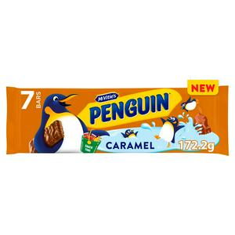 | Biscuits | McVitie's | Penguin Caramel 7PK 36X7 RRP | 36 | 172G | £35.69 |  | ORDER IN LAYER QUANTITIES | 170 MIN | 72 | 12
S0229619 | 5000168005751 | GROCERY | NEW | 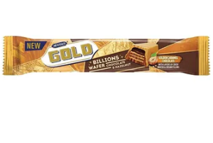 | Biscuits | McVitie's | Gold Billions Chocolate & Hazelnut 39G X 24 CDU | 24 | 960G | £14.13 |  | ORDER IN LAYER QUANTITIES | 171 MIN | 372 | 31
 | 5050028388777 | GROCERY | NEW |  | drinks | Typhoo | Typhoo Ice Tea Original 500ml | 12 | 500 | £7.43 |  | 1 MIXED PALLET | 365 | 120 | 6
 | 5050028388784 | GROCERY | NEW |  | drinks | Typhoo | Typhoo Ice Tea Lemon 500ml | 12 | 500 | £7.43 |  | 1 MIXED PALLET | 365 | 120 | 6
 | 5050028388791 | GROCERY | NEW |  | drinks | Typhoo | Typhoo Ice Tea Peach 500ml | 12 | 500 | £7.43 |  | 1 MIXED PALLET | 365 | 120 | 6
 | 5050028390695 | GROCERY | NEW |  | drinks | Typhoo | Typhoo Ice Tea Mango 500ml | 12 | 500 | £7.43 |  | 1 MIXED PALLET | 365 | 120 | 6
 | 5016451234562 | GROCERY | NEW | 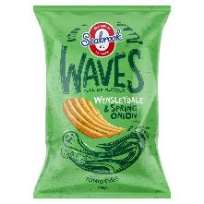 | Crisps | Seabrook | Seabrook Waves Wensleydale & Spring Onion 140g | 8 | 140g | £11.85 |  | ORDER IN LAYER QUANTITIES |  | 84 | 12
 | 5016451514558 | GROCERY | NEW | 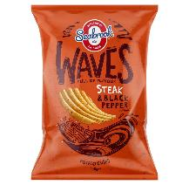 | Crisps | Seabrook | Seabrook Waves Steak & Black Pepper 140g | 8 | 140g | £11.85 |  | ORDER IN LAYER QUANTITIES |  | 84 | 12
 | 5016451414575 | GROCERY | NEW | 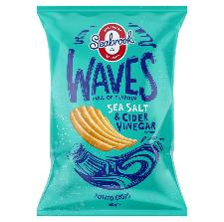 | Crisps | Seabrook | Seabrook Waves Sea Salt & Cider Vinegar 140g | 8 | 140g | £11.85 |  | ORDER IN LAYER QUANTITIES |  | 84 | 12
S0221558 | 5000157147868 | GROCERY |  | 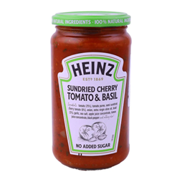 | Cooking & Pasta Sauces | HEINZ | HEINZ SUN DRIED CHERRY TOMATO & BASIL PASTA SAUCE 490G | 6 | 490G | £14.71 |  | ORDER IN LAYER QUANTITIES | 150 | 210 | 30
S0221559 | 5000157147851 | GROCERY |  | 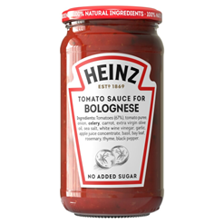 | Cooking & Pasta Sauces | HEINZ | HEINZ BOLOGNESE PASTA SAUCE 490G | 6 | 490G | £15.38 |  | ORDER IN LAYER QUANTITIES | 150 | 210 | 30
S0226717 | 5000157146342 | GROCERY |  | 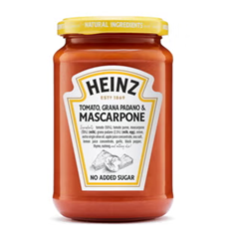 | Cooking & Pasta Sauces | HEINZ | Heinz Tomato, Grana Padano & Mascarpone 350g | 6 | 350G | £12.63 |  | ORDER IN LAYER QUANTITIES | 180 | 272 | 34
S0211539 | 5000157146281 | GROCERY |  | 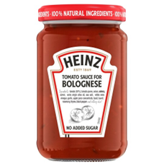 | Cooking & Pasta Sauces | HEINZ | Heinz Tomato Sauce for Bolognese 350g | 6 | 350G | £10.82 |  | ORDER IN LAYER QUANTITIES | 180 | 272 | 34
S0221554 | 5000157150363 | GROCERY |  | 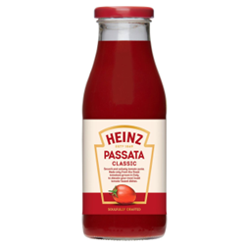 | Cooking & Pasta Sauces | HEINZ | HEINZ CLASSIC PASSATA 500G | 6 | 500G | £9.70 |  | ORDER IN LAYER QUANTITIES | 120 | 204 | 34
S0221525 | 5000157139603 | GROCERY |  | 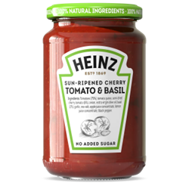 | Cooking & Pasta Sauces | HEINZ | HEINZ CHERRY TOMATO&BASIL 6) 0.35KG | 6 | 350G | £12.63 |  | ORDER IN LAYER QUANTITIES | 999 | 272 | 34
S0221556 | 5000157150424 | GROCERY |  | 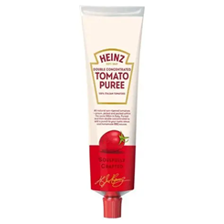 | Cooking & Pasta Sauces | HEINZ | HEINZ DOUBLE CONCENTRATED TOMATO PUREE 130G | 12 | 130G | £15.54 |  | ORDER IN LAYER QUANTITIES | 120 | 300 | 20
S0221555 | 5000157150356 | GROCERY |  | 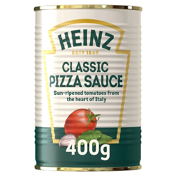 | Cooking & Pasta Sauces | HEINZ | HEINZ PIZZA SAUCE 400G | 12 | 400G | £19.42 |  | ORDER IN LAYER QUANTITIES | 120 | 192 | 16
S0101127 | 5060178073157 | GROCERY | BEST SELLER | 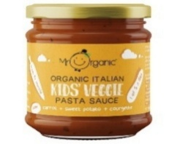 | BABY FOODS | MR ORGANIC | MR ORGANIC KIDS VEGGIE PASTA SAUCE - CARROT, SWEET POTATO, COURGETTE | 6 | 200 | £9.75 |  | 100 CASES MIXED | 648 | 468 | 39
S0190645 | 5060178074154 | GROCERY |  |  | BISCUITS | MR ORGANIC | MR ORGANIC CHOCOLATE CHIP DIGESTIVE | 12 | 250 | £21.51 |  | 100 CASES MIXED | 189 | 91 | 13
S0130742 | 5060178073324 | GROCERY |  |  | BISCUITS | MR ORGANIC | MR ORGANIC ORANGE BISCUITS WITH COCOA BEANS | 12 | 250 | £23.76 |  | 100 CASES MIXED | 227 | 91 | 13
S0225256 | 5060178073348 | GROCERY |  |  | BISCUITS | MR ORGANIC | MR ORGANIC COCOA BISCUITS | 12 | 250 | £21.00 |  | 100 CASES MIXED | 227 | 91 | 13
S0101133 | 5060178072846 | GROCERY |  |  | BISCUITS | MR ORGANIC | MR ORGANIC GRISSINI BREADSTICKS - CLASSIC | 10 | 150 | £23.01 |  | 100 CASES MIXED | 432 | 80 | 20
S0101134 | 5060178072860 | GROCERY |  |  | BISCUITS | MR ORGANIC | MR ORGANIC GRISSINI BREADSTICKS - OLIVES | 10 | 130 | £23.01 |  | 100 CASES MIXED | 432 | 80 | 20
S0190643 | 5060178074116 | GROCERY | BEST SELLER |  | FRUIT JUICE & DRINKS | MR ORGANIC | MR ORGANIC SICILIAN LEMON JUICE | 12 | 250 | £21.70 |  | 100 CASES MIXED | 135 | 208 | 26
S0190644 | 5060178074123 | GROCERY | BEST SELLER |  | FRUIT JUICE & DRINKS | MR ORGANIC | MR ORGANIC LIME JUICE | 12 | 250 | £25.39 |  | 100 CASES MIXED | 135 | 208 | 26
S0094268 | 5060178071801 | GROCERY |  | 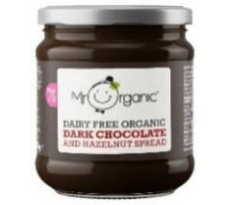 | JAMS & SPREADS | MR ORGANIC | MR ORGANIC DARK CHOCOLATE SPREAD | 6 | 200 | £20.04 |  | 100 CASES MIXED | 324 | 429 | 33
S0094266 | 5060178071825 | GROCERY |  | 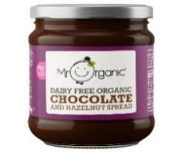 | JAMS & SPREADS | MR ORGANIC | MR ORGANIC DAIRY FREE CHOCOLATE SPREAD | 6 | 200 | £18.23 |  | 100 CASES MIXED | 324 | 429 | 33
S0190637 | 5060178074062 | GROCERY |  | 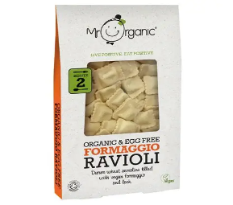 | MEALS | MR ORGANIC | MR ORGANIC FORMAGGIO RAVIOLI | 10 | 250 | £26.20 |  | 100 CASES MIXED |  | 105 | 21
S0190635 | 5060178074314 | GROCERY |  | 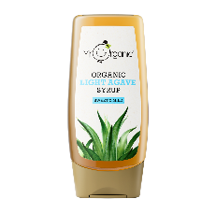 | MIXES, JELLY & FLOUR | MR ORGANIC | MR ORGANIC LIGHT AGAVE SYRUP | 8 | 250 | £25.56 |  | 100 CASES MIXED |  | 288
S0190636 | 5060178074338 | GROCERY |  | 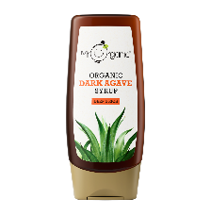 | MIXES, JELLY & FLOUR | MR ORGANIC | MR ORGANIC DARK AGAVE SYRUP | 8 | 250 | £25.56 |  | 100 CASES MIXED |  | 288
S0019761 | 5060178070415 | GROCERY |  |  | OILS | MR ORGANIC | MR ORGANIC EXTRA VIRGIN ITALIAN OLIVE OIL 1000ML | 12 | 1000 | £197.93 |  | 100 CASES MIXED | 216 | 56 | 14
S0028558 | 5060178070828 | GROCERY | BEST SELLER |  | OILS | MR ORGANIC | MR ORGANIC EXTRA VIRGIN ITALIAN OLIVE OIL 500ML | 6 | 500 | £54.77 |  | 100 CASES MIXED | 216 | 168 | 42
S0085458 | 5060178071672 | GROCERY |  |  | OILS | MR ORGANIC | MR ORGANIC RAPESEED OIL | 6 | 750 | £19.35 |  | 100 CASES MIXED | 324 | 145 | 39
S0190633 | 5060178074499 | GROCERY |  |  | OILS | MR ORGANIC | MR ORGANIC VIRGIN COCONUT OIL 200ML | 12 | 200 | £35.64 |  | 100 CASES MIXED | 378 | 300 | 15
S0128653 | 5060178073195 | GROCERY |  |  | OILS | MR ORGANIC | MR ORGANIC SUNFLOWER OIL (6 X 750ML) | 6 | 750 | £19.21 |  | 100 CASES MIXED | 410 | 145 | 39
S0094265 | 5060178071900 | GROCERY |  |  | OILS | MR ORGANIC | MR ORGANIC TOASTED SESAME OIL | 6 | 250 | £24.85 |  | 100 CASES MIXED |  | 288 | 72
S0190634 | 5060178074512 | GROCERY |  | 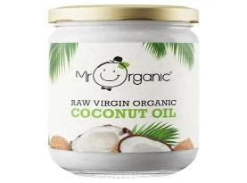 | OILS | MR ORGANIC | MR ORGANIC VIRGIN COCONUT OIL 500ML | 6 | 500 | £34.89 |  | 100 CASES MIXED |  | 231 | 21
S0128651 | 5060178073188 | GROCERY | BEST SELLER |  | ORGANIC PRODUCTS | MR ORGANIC | MR ORGANIC CHOPPED TOMATO (4 PACK) | 6 | 1600 | £23.32 |  | 100 CASES MIXED | 821 | 80 | 8
S0179389 | 5060178073805 | GROCERY | BEST SELLER |  | OTHER TINS | MR ORGANIC | CHICK PEAS (4 PACK) | 6 | 1600 | £22.82 |  | 100 CASES MIXED |  | 80 | 8
S0179388 | 5060178073812 | GROCERY | BEST SELLER | 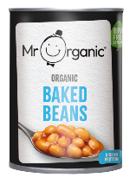 | OTHER TINS | MR ORGANIC | BAKED BEANS (4 PACK) | 6 | 1600 | £26.24 |  | 100 CASES MIXED |  | 80 | 8
S0082260 | 5060178070262 | GROCERY |  |  | OTHER TINS | MR ORGANIC | MR ORGANIC LENTILS | 12 | 400 | £11.58 |  | 100 CASES MIXED | 648 | 192 | 16
S0221120 | 5060178075298 | GROCERY | BEST SELLER | 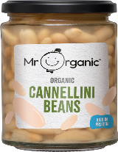 | OTHER TINS | MR ORGANIC | MR ORGANIC CANNELLINI BEANS (GLASS) | 6 | 350 | £8.11 |  | 100 CASES MIXED |  | 330 | 33
S0221121 | 5060178075311 | GROCERY | BEST SELLER | 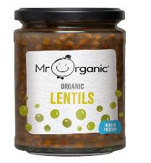 | OTHER TINS | MR ORGANIC | MR ORGANIC LENTILS (GLASS) | 6 | 350 | £8.11 |  | 100 CASES MIXED |  | 330 | 33
S0138797 | 5060178073553 | GROCERY |  |  | RICE & PASTA | MR ORGANIC | MR ORGANIC RED LENTIL RICE | 12 | 250 | £30.32 |  | 100 CASES MIXED | 137 | 240 | 30
S0138796 | 5060178073546 | GROCERY |  | 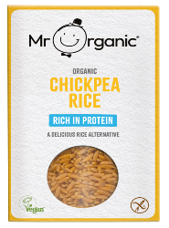 | RICE & PASTA | MR ORGANIC | MR ORGANIC MR ORGANIC CHICK PEA RICE | 12 | 250 | £31.54 |  | 100 CASES MIXED |  | 240 | 30
S0028561 | 5060178070958 | GROCERY |  |  | RICE & PASTA | MR ORGANIC | MR ORGANIC SPAGHETTI PASTA | 12 | 500 | £17.95 |  | 100 CASES MIXED | 648 | 92 | 23
S0028560 | 5060178070965 | GROCERY | BEST SELLER |  | RICE & PASTA | MR ORGANIC | MR ORGANIC PENNE PASTA | 12 | 500 | £17.95 |  | 100 CASES MIXED | 648 | 60 | 12
S0028566 | 5060178070972 | GROCERY |  | 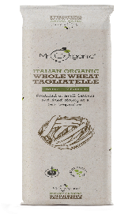 | RICE & PASTA | MR ORGANIC | MR ORGANIC WHOLE WHEAT TAGLIATELLE PASTA | 12 | 500 | £17.95 |  | 100 CASES MIXED | 648 | 92 | 23
S0028564 | 5060178071023 | GROCERY |  |  | RICE & PASTA | MR ORGANIC | MR ORGANIC WHOLE WHEAT PENNE PASTA | 12 | 500 | £17.95 |  | 100 CASES MIXED | 648 | 60 | 12
S0028563 | 5060178071030 | GROCERY |  | 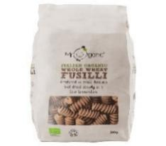 | RICE & PASTA | MR ORGANIC | MR ORGANIC WHOLE WHEAT FUSILLI PASTA | 12 | 500 | £17.95 |  | 100 CASES MIXED | 648 | 45 | 9
S0028559 | 5060178071047 | GROCERY | BEST SELLER | 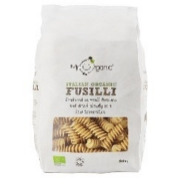 | RICE & PASTA | MR ORGANIC | MR ORGANIC FUSILLI PASTA | 12 | 500 | £17.95 |  | 100 CASES MIXED | 648 | 45 | 9
S0130739 | 5060178073386 | GROCERY |  |  | RICE & PASTA | MR ORGANIC | MR ORGANIC TORTELLINI WITH VEGETABLES | 10 | 250 | £26.20 |  | 100 CASES MIXED |  | 105 | 21
S0130738 | 5060178073409 | GROCERY |  |  | RICE & PASTA | MR ORGANIC | MR ORGANIC TORTELLINI WITH PORCINI MUSHROOMS | 10 | 250 | £26.20 |  | 100 CASES MIXED |  | 105 | 21
S0190642 | 5060178074109 | GROCERY |  | 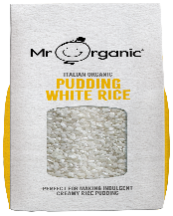 | RICE & PASTA | MR ORGANIC | PUDDING RICE (CASE OF 6) | 6 | 500 | £15.01 |  | 100 CASES MIXED |  | 272 | 34
S0028565 | 5060178070989 | GROCERY |  | 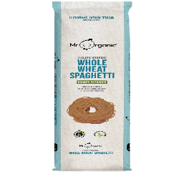 | RICE & PASTA | MR ORGANIC | MR ORGANIC WHOLE WHEAT SPAGHETTI PASTA | 12 | 500 | £17.95 |  | 100 CASES MIXED |  | 92 | 23
S0221118 | 5060178075250 | GROCERY | BEST SELLER | 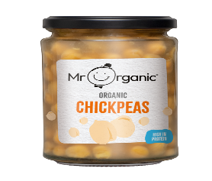 | RICE & PASTA | MR ORGANIC | MR ORGANIC CHICKPEAS (GLASS) | 6 | 350 | £8.11 |  | 100 CASES MIXED |  | 330 | 33
S0101120 | 5060178072921 | GROCERY |  |  | SAUCE MIXES & STOCK CUBES | MR ORGANIC | MR ORGANIC CHERRY TOMATO PASTA SAUCE | 6 | 350 | £13.44 |  | 100 CASES MIXED | 810 | 340 | 34
S0019749 | 5060178073690 | GROCERY |  |  | SAUCE MIXES & STOCK CUBES | MR ORGANIC | MR ORGANIC OLIVES & CAPERS PASTA SAUCE (NO ADDED SUGAR) | 6 | 350 | £12.25 |  | 100 CASES MIXED | 810 | 340 | 34
S0085456 | 5060178073713 | GROCERY |  |  | SAUCE MIXES & STOCK CUBES | MR ORGANIC | MR ORGANIC ROASTED GARLIC PASTA SAUCE (NO ADDED SUGAR) | 6 | 350 | £11.57 |  | 100 CASES MIXED | 810 | 340 | 34
S0213392 | 5060178075007 | GROCERY |  | 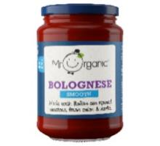 | SAUCE MIXES & STOCK CUBES | MR ORGANIC | MR ORGANIC SMOOTH BOLOGNESE PASTA SAUCE | 6 | 350 | £11.61 |  | 100 CASES MIXED | 810 | 340 | 34
S0213389 | 5060178075076 | GROCERY |  | 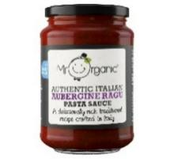 | SAUCE MIXES & STOCK CUBES | MR ORGANIC | MR ORGANIC AUBERGINE RAGU | 6 | 350 | £13.00 |  | 100 CASES MIXED | 810 | 340 | 34
S014373b | 5060178070286 | GROCERY |  |  | SAUCE MIXES & STOCK CUBES | MR ORGANIC | MR ORGANIC BASILICO PASTA SAUCE | 6 | 350 | £11.61 |  | 100 CASES MIXED | 810 | 340 | 34
S0019751 | 5060178070347 | GROCERY | BEST SELLER |  | SAUCE MIXES & STOCK CUBES | MR ORGANIC | MR ORGANIC BOLOGNESE PASTA SAUCE | 6 | 350 | £11.61 |  | 100 CASES MIXED | 810 | 340 | 34
S0019750 | 5060178070361 | GROCERY | BEST SELLER |  | SAUCE MIXES & STOCK CUBES | MR ORGANIC | MR ORGANIC CHILLI ARRABIATA PASTA SAUCE | 6 | 350 | £11.61 |  | 100 CASES MIXED | 810 | 340 | 34
S0213390 | 5060178075021 | GROCERY |  | 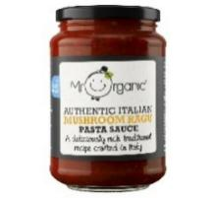 | SAUCE MIXES & STOCK CUBES | MR ORGANIC | MR ORGANIC MUSHROOM RAGU | 6 | 350 | £13.00 |  | 100 CASES MIXED | 810 | 340 | 34
S0082253 | 5060178071337 | GROCERY |  |  | SAUCE MIXES & STOCK CUBES | MR ORGANIC | MR ORGANIC SEITAN PASTA SAUCE | 6 | 350 | £13.00 |  | 100 CASES MIXED |  | 340 | 34
S0220835 | 5060178075113 | GROCERY |  | 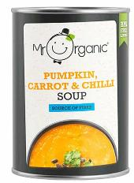 | SAUCE MIXES & STOCK CUBES | MR ORGANIC | MR ORGANIC PUMPKIN, CARROT & CHILLI SOUP | 6 | 400 | £9.99 |  | 100 CASES MIXED |  | 360 | 30
S0185082 | 5060178073881 | GROCERY |  |  | SAUCES & CONDIMENTS | MR ORGANIC | MR ORGANIC CHILLI & GARLIC PASSATA SAUCE | 6 | 400 | £9.94 |  | 100 CASES MIXED |  | 238 | 7
S0179384 | 5060178073843 | GROCERY |  |  | SAUCES & CONDIMENTS | MR ORGANIC | MR ORGANIC MIXED HERBS PASSATA SAUCE | 6 | 400 | £9.94 |  | 100 CASES MIXED | 135 | 238 | 7
S0192376 | 5060178073461 | GROCERY |  |  | SAUCES & CONDIMENTS | MR ORGANIC | MR ORGANIC GRILLED PEPPERS ANTIPASTI (5 X 190G) | 5 | 190 | £15.26 |  | 100 CASES MIXED |  | 540 | 36
S0138794 | 5060178073492 | GROCERY |  | 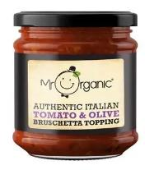 | SAUCES & CONDIMENTS | MR ORGANIC | MR ORGANIC TOMATO & OLIVE BRUSCHETTA TOPPING | 6 | 200 | £9.60 |  | 100 CASES MIXED |  | 468 | 39
S0138795 | 5060178073508 | GROCERY |  | 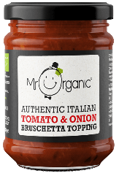 | SAUCES & CONDIMENTS | MR ORGANIC | MR ORGANIC TOMATO & ONION BRUSCHETTA TOPPING | 6 | 200 | £9.60 |  | 100 CASES MIXED |  | 468 | 39
S014368b | 5060178070040 | GROCERY | BEST SELLER |  | SAUCES & CONDIMENTS | MR ORGANIC | MR ORGANIC PASSATA 690G | 12 | 690 | £18.86 |  | 100 CASES MIXED | 648 | 75 | 15
S0019753 | 5060178070057 | GROCERY |  |  | SAUCES & CONDIMENTS | MR ORGANIC | MR ORGANIC PASSATA RUSTICA | 12 | 690 | £20.36 |  | 100 CASES MIXED | 648 | 75 | 15
S0028554 | 5060178070101 | GROCERY |  |  | SAUCES & CONDIMENTS | MR ORGANIC | MR ORGANIC TOMATO PUREE | 6 | 200 | £10.23 |  | 100 CASES MIXED | 648 | 468 | 39
S0019756 | 5060178070149 | GROCERY | BEST SELLER |  | SAUCES & CONDIMENTS | MR ORGANIC | MR ORGANIC CLASSIC TOMATO KETCHUP | 6 | 480 | £14.86 |  | 100 CASES MIXED | 648 | 170 | 34
S0019754 | 5060178070378 | GROCERY | BEST SELLER |  | SAUCES & CONDIMENTS | MR ORGANIC | MR ORGANIC PASSATA 400G | 6 | 400 | £7.99 |  | 100 CASES MIXED | 648 | 238 | 7
S0019752 | 5060178070392 | GROCERY |  |  | SAUCES & CONDIMENTS | MR ORGANIC | MR ORGANIC PASSATA & BASIL | 12 | 690 | £18.86 |  | 100 CASES MIXED | 648 | 75 | 15
S0101122 | 5060178072723 | GROCERY |  |  | SAUCES & CONDIMENTS | MR ORGANIC | MR ORGANIC NO ADDED SUGAR TOMATO KETCHUP | 6 | 480 | £14.86 |  | 100 CASES MIXED | 648 | 170 | 34
S0101126 | 5060178073034 | GROCERY | BEST SELLER | 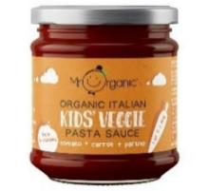 | SAUCES & CONDIMENTS | MR ORGANIC | MR ORGANIC KIDS VEGGIE PASTA SAUCE - TOMATO, CARROT, PARSNIP | 6 | 200 | £9.75 |  | 100 CASES MIXED | 648 | 468 | 39
S0213391 | 5060178074994 | GROCERY | BEST SELLER | 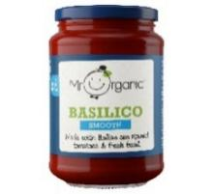 | SAUCES & CONDIMENTS | MR ORGANIC | MR ORGANIC SMOOTH BASILICO PASTA SAUCE | 6 | 350 | £11.61 |  | 100 CASES MIXED | 810 | 340 | 34
S0082252 | 5060178071313 | GROCERY |  |  | SAUCES & CONDIMENTS | MR ORGANIC | MR ORGANIC TOFU PASTA SAUCE | 6 | 350 | £13.00 |  | 100 CASES MIXED | 810 | 340 | 34
S0196164 | 5060178074574 | GROCERY |  | 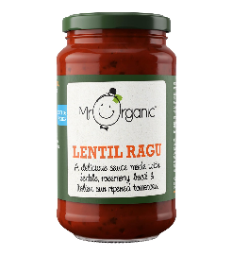 | SAUCES & CONDIMENTS | MR ORGANIC | MR ORGANIC LENTIL RAGU | 6 | 350 | £13.00 |  | 100 CASES MIXED |  | 340 | 34
S0193977 | 5060178074697 | GROCERY |  | 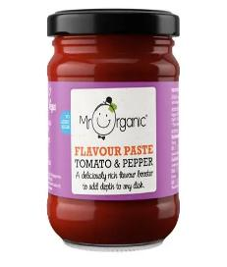 | SAUCES & CONDIMENTS | MR ORGANIC | MR ORGANIC TOMATO & PEPPER FLAVOUR PASTE | 6 | 200 | £9.92 |  | 100 CASES MIXED |  | 468 | 29
S0193978 | 5060178074710 | GROCERY |  | 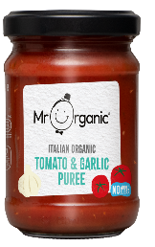 | SAUCES & CONDIMENTS | MR ORGANIC | MR ORGANIC TOMATO & GARLIC FLAVOUR PUREE (6X200G) | 6 | 200 | £9.90 |  | 100 CASES MIXED
S0128652 | 5060178073249 | GROCERY |  | 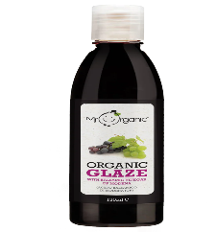 | SAUCES & CONDIMENTS | MR ORGANIC | MR ORGANIC BALSAMIC GLAZE OF MODENA IGP | 6 | 150 | £17.69 |  | 100 CASES MIXED |  | 540 | 90
S0130740 | 5060178073294 | GROCERY |  | 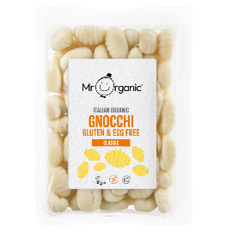 | SNACKS | MR ORGANIC | MR ORGANIC GLUTEN FREE GNOCCHI | 8 | 350 | £20.85 |  | 100 CASES MIXED |  | 144 | 16
S0196170 | 5060178074291 | GROCERY |  | 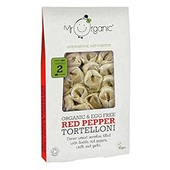 | SNACKS | MR ORGANIC | MR ORGANIC RED PEPPER TORTELLONI | 10 | 250 | £26.20 |  | 100 CASES MIXED |  | 105 | 21
S0220831 | 5060178074048 | GROCERY |  | 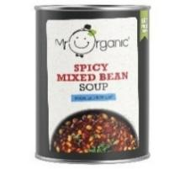 | SOUPS | MR ORGANIC | MR ORGANIC SPICY MIXED BEAN SOUP | 6 | 400 | £8.05 |  | 100 CASES MIXED |  | 360 | 30
S0220830 | 5060178074055 | GROCERY |  | 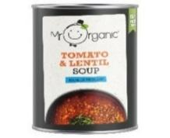 | SOUPS | MR ORGANIC | MR ORGANIC LENTIL SOUP | 6 | 400 | £8.05 |  | 100 CASES MIXED |  | 360 | 30
S0220833 | 5060178074963 | GROCERY |  | 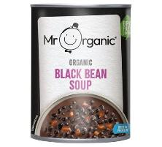 | SOUPS | MR ORGANIC | MR ORGANIC BLACK BEANS SOUP | 6 | 400 | £8.05 |  | 100 CASES MIXED |  | 360 | 30
S0220832 | 5060178074987 | GROCERY |  | 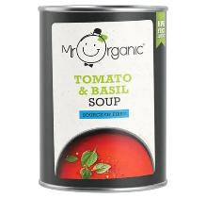 | SOUPS | MR ORGANIC | MR ORGANIC TOMATO SOUP | 6 | 400 | £8.05 |  | 100 CASES MIXED |  | 360 | 30
S0220837 | 5060178075083 | GROCERY |  | 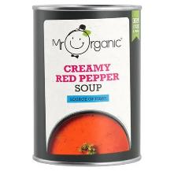 | SOUPS | MR ORGANIC | MR ORGANIC CREAMY RED PEPPER SOUP | 6 | 400 | £9.99 |  | 100 CASES MIXED |  | 360 | 30
S0220834 | 5060178075090 | GROCERY |  |  | SOUPS | MR ORGANIC | MR ORGANIC LEEK & POTATO SOUP | 6 | 400 | £9.99 |  | 100 CASES MIXED |  | 360 | 30
S0220836 | 5060178075106 | GROCERY |  | 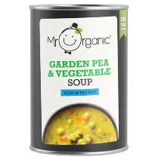 | SOUPS | MR ORGANIC | MR ORGANIC GARDEN PEA & VEGETABLE SOUP | 6 | 400 | £8.05 |  | 100 CASES MIXED |  | 360 | 30
S014367b | 5060178070019 | GROCERY | BEST SELLER |  | TINNED VEGETABLES | MR ORGANIC | MR ORGANIC CHOPPED TOMATO | 12 | 400 | £12.15 |  | 100 CASES MIXED | 648 | 192 | 16
S0179387 | 5060178073935 | GROCERY |  |  | TINNED VEGETABLES | MR ORGANIC | MR ORGANIC CHILLI MIXED BEANS | 12 | 400 | £15.75 |  | 100 CASES MIXED | 648 | 192 | 16
S014369b | 5060178070064 | GROCERY | BEST SELLER |  | TINNED VEGETABLES | MR ORGANIC | MR ORGANIC WHOLE PEELED TOMATO | 12 | 400 | £12.15 |  | 100 CASES MIXED | 648 | 192 | 16
S014370b | 5060178070170 | GROCERY | BEST SELLER |  | TINNED VEGETABLES | MR ORGANIC | MR ORGANIC RED KIDNEY BEANS | 12 | 400 | £13.65 |  | 100 CASES MIXED | 648 | 192 | 16
S0019758 | 5060178070187 | GROCERY | BEST SELLER |  | TINNED VEGETABLES | MR ORGANIC | MR ORGANIC GIANT WHITE BEANS (BUTTER BEANS) | 12 | 400 | £14.98 |  | 100 CASES MIXED | 648 | 192 | 16
S0019759 | 5060178070194 | GROCERY |  |  | TINNED VEGETABLES | MR ORGANIC | MR ORGANIC CANNELLINI BEANS | 12 | 400 | £13.00 |  | 100 CASES MIXED | 648 | 192 | 16
S0082262 | 5060178070217 | GROCERY | BEST SELLER |  | TINNED VEGETABLES | MR ORGANIC | MR ORGANIC BLACK BEANS | 12 | 400 | £11.43 |  | 100 CASES MIXED | 648 | 192 | 16
S014371b | 5060178070255 | GROCERY | BEST SELLER |  | TINNED VEGETABLES | MR ORGANIC | MR ORGANIC CHICK PEAS | 12 | 400 | £12.86 |  | 100 CASES MIXED | 648 | 192 | 16
S014372b | 5060178070279 | GROCERY |  |  | TINNED VEGETABLES | MR ORGANIC | MR ORGANIC MIXED BEAN | 12 | 400 | £13.86 |  | 100 CASES MIXED | 648 | 192 | 16
S014375b | 5060178070866 | GROCERY | BEST SELLER |  | TINNED VEGETABLES | MR ORGANIC | MR ORGANIC BAKED BEANS | 12 | 400 | £13.64 |  | 100 CASES MIXED | 648 | 192 | 16
S0179385 | 5060178073898 | GROCERY |  |  | TINNED VEGETABLES | MR ORGANIC | MR ORGANIC NATURALLY SWEETENED BAKED BEANS | 12 | 400 | £16.70 |  | 100 CASES MIXED | 648 | 192 | 16
S0082256 | 5060178070156 | GROCERY |  |  | TINNED VEGETABLES | MR ORGANIC | MR ORGANIC CHERRY TOMATO | 12 | 400 | £15.62 |  | 100 CASES MIXED |  | 192 | 16
S0082261 | 5060178070200 | GROCERY |  |  | TINNED VEGETABLES | MR ORGANIC | MR ORGANIC BORLOTTI BEANS | 12 | 400 | £11.23 |  | 100 CASES MIXED |  | 192 | 16
S0094262 | 5060178071863 | GROCERY |  |  | TINNED VEGETABLES | MR ORGANIC | MR ORGANIC ADUKI BEANS | 12 | 400 | £12.38 |  | 100 CASES MIXED |  | 160 | 16
S0196168 | 5060178074079 | GROCERY |  |  | TINNED VEGETABLES | MR ORGANIC | HARICOT BEANS | 12 | 400 | £11.01 |  | 100 CASES MIXED |  | 192 | 16
S0196167 | 5060178074086 | GROCERY |  |  | TINNED VEGETABLES | MR ORGANIC | BELUGA LENTILS | 12 | 400 | £13.06 |  | 100 CASES MIXED |  | 192 | 16
S0221119 | 5060178075274 | GROCERY | BEST SELLER |  | TINNED VEGETABLES | MR ORGANIC | MR ORGANIC BUTTER BEANS (GLASS) | 6 | 350 | £8.11 |  | 100 CASES MIXED |  | 330 | 33
S0192375 | 5060178073454 | GROCERY |  |  | VINEGARS & PICKED VEGETABLES | MR ORGANIC | MR ORGANIC SLICED ARTICHOKE ANTIPASTI (5 X 190G) | 5 | 190 | £18.82 |  | 100 CASES MIXED |  | 540 | 36
S0192374 | 5060178073478 | GROCERY |  |  | VINEGARS & PICKED VEGETABLES | MR ORGANIC | MR ORGANIC SUNDRIED TOMATO ANTIPASTI (5 X 190G) | 5 | 190 | £15.26 |  | 100 CASES MIXED |  | 540 | 36
S0101129 | 5060178072969 | GROCERY |  |  | VINEGARS & PICKED VEGETABLES | MR ORGANIC | MR ORGANIC APPLE CIDER VINEGAR WITH THE MOTHER - TURMERIC, CHILLI & GINGER | 12 | 250 | £24.89 |  | 100 CASES MIXED | 1125 | 156 | 26
S0128657 | 5060178072761 | GROCERY | BEST SELLER |  | VINEGARS & PICKED VEGETABLES | MR ORGANIC | MR ORGANIC APPLE CIDER VINEGAR - WITH THE MOTHER | 6 | 500 | £14.60 |  | 100 CASES MIXED | 1368 | 185 | 37
S0196169 | 5060178072006 | GROCERY |  |  | VINEGARS & PICKED VEGETABLES | MR ORGANIC | BALSAMIC VINEGAR OF MODENA IGP | 12 | 500 | £34.15 |  | 100 CASES MIXED |  | 105 | 25
S0101131 | 5060178072808 | GROCERY |  |  | WHITE BREAD & ROLLS | MR ORGANIC | MR ORGANIC LINGUETTE FLATBREAD - CLASSIC | 10 | 150 | £23.01 |  | 100 CASES MIXED | 90 | 80 | 20
S0101132 | 5060178072822 | GROCERY |  |  | WHITE BREAD & ROLLS | MR ORGANIC | MR ORGANIC LINGUETTE FLATBREAD - ROSEMARY | 10 | 150 | £23.01 |  | 100 CASES MIXED | 432 | 80 | 20
S0226199 | 5010511479689 | GROCERY |  |  | CONFECTIONERY | BARRATTS | BARR WHAM CTN | 6 | 300 | £13.40 |  | 100 CASES MIXED | 205 | 273 | 140
S0226218 | 5010511481125 | GROCERY |  |  | CONFECTIONERY | BARRATTS | BARRATT WHAM EXTREME CHEW BARS 6X(50X25G) | 6 | 1250 | £61.76 |  | 100 CASES MIXED | 205 | 273 | 112
S0226205 | 5023274045596 | GROCERY |  |  | CONFECTIONERY | BARRATTS | BARRATT FRUIT SALAD STICK PACK | 40 | 36 | £19.94 |  | 100 CASES MIXED | 274 | 365 | 506
S0226206 | 5023274045602 | GROCERY |  |  | CONFECTIONERY | BARRATTS | BARRATT BLACK JACK STICK PACK | 40 | 36 | £19.94 |  | 100 CASES MIXED | 274 | 365 | 506
S0226365 | 5010511471751 | GROCERY |  |  | CONFECTIONERY | BARRATTS | BARRATT STD NOUGAT | 40 | 36 | £20.32 |  | 100 CASES MIXED | 274 | 365 | 506
S0226216 | 5010511471768 | GROCERY |  |  | CONFECTIONERY | BARRATTS | BARRATT JUMBO NOUGAT | 28 | 100 | £20.26 |  | 100 CASES MIXED | 274 | 365 | 196
S0226204 | 5010511472468 | GROCERY |  |  | CONFECTIONERY | BARRATTS | BARRATT WHAM CHEW BARS 6X(50X25G) | 6 | 1250 | £61.76 |  | 100 CASES MIXED | 274 | 365 | 112
S0226186 | 5010511475087 | GROCERY |  |  | CONFECTIONERY | BARRATTS | BARRATT WHAM CHEW BAR | 60 | 16 | £5.77 |  | 100 CASES MIXED | 274 | 365 | 480
S0226189 | 5010511477807 | GROCERY |  |  | CONFECTIONERY | BARRATTS | BARRATT MILK TEETH | 10 | 190 | £14.51 |  | 100 CASES MIXED | 274 | 365 | 180
S0226188 | 5010511479696 | GROCERY |  |  | CONFECTIONERY | BARRATTS | BARR LIQ NOVELCTN | 6 | 400 | £13.40 |  | 100 CASES MIXED | 274 | 365 | 140
S0226193 | 5010511473687 | GROCERY |  |  | CONFECTIONERY | BARRATTS | BARRATT FLUMPS | 50 | 20 | £12.50 |  | 100 CASES MIXED | 342 | 456 | 175
S0226196 | 5023274045886 | GROCERY |  |  | CONFECTIONERY | BARRATTS | BARRATT DIP DABS | 50 | 23 | £22.67 |  | 100 CASES MIXED | 411 | 548 | 300
S0226184 | 5023274065600 | GROCERY |  |  | CONFECTIONERY | BARRATTS | BARRATT REF ROLL | 48 | 34 | £21.51 |  | 100 CASES MIXED | 410 | 547 | 40
S0226197 | 5023274066652 | GROCERY |  |  | CONFECTIONERY | BARRATTS | BARRATT SHERBET FOUNTAIN | 48 | 25 | £26.44 |  | 100 CASES MIXED | 548 | 730 | 260
S0226209 | 5010511479177 | GROCERY |  |  | CONFECTIONERY | BLACK JACK | BLACKJACK CHEW BAG | 13 | 175 | £14.69 |  | 100 CASES MIXED | 274 | 365 | 189
S0226198 | 5010511477029 | GROCERY |  |  | CONFECTIONERY | FLUMP | MINI FLUMPS | 19 | 150 | £17.13 |  | 100 CASES MIXED | 274 | 365 | 60
S0226191 | 5000314120543 | GROCERY |  |  | CONFECTIONERY | FOXS | FOXS GLACIER MINTS | 12 | 200 | £10.99 |  | 100 CASES MIXED | 338 | 450 | 160
S0226203 | 5000314120567 | GROCERY |  |  | CONFECTIONERY | FOXS | FOXS GLACIER FRUITS | 12 | 200 | £10.99 |  | 100 CASES MIXED | 338 | 450 | 160
S0226363 | 5000314923014 | GROCERY |  |  | CONFECTIONERY | FOXS | FOXS FRUIT GLACIER BULK | 1 | 3083 | £16.15 |  | 100 CASES MIXED | 338 | 450 | 171
S0226362 | 5000314925896 | GROCERY |  |  | CONFECTIONERY | FOXS | FOXS GLACIER MINT BULK | 1 | 3083 | £16.15 |  | 100 CASES MIXED | 338 | 450 | 171
S0226187 | 5010511481187 | GROCERY |  |  | CONFECTIONERY | FOXS | FOXS GLACIER FRUITS PMP £1 | 12 | 100 | £7.82 |  | 100 CASES MIXED | 342 | 456 | 220
S0226208 | 5010511481491 | GROCERY |  |  | CONFECTIONERY | FOXS | FOXS GLACIER MINT PMP £1 | 12 | 100 | £7.82 |  | 100 CASES MIXED | 342 | 456 | 220
S0226202 | 5010511475421 | GROCERY |  |  | CONFECTIONERY | FRUIT SALAD | FRUIT SALAD SOFTIES | 8 | 160 | £11.02 |  | 100 CASES MIXED | 205 | 273 | 272
S0226185 | 5010511472666 | GROCERY |  |  | CONFECTIONERY | HENRY GOODE | HENRY GOODE SEL | 9 | 200 | £14.55 |  | 100 CASES MIXED | 342 | 456 | 280
S0226194 | 5010511472673 | GROCERY |  |  | CONFECTIONERY | HENRY GOODE | HENRY GOODE BEST EVER RED SEL | 9 | 200 | £14.55 |  | 100 CASES MIXED | 342 | 456 | 280
S0226183 | 5010511481095 | GROCERY |  |  | CONFECTIONERY | POPPETS | POPPETS CHOC TOFFEE POPCORN | 9 | 100 | £13.44 |  | 100 CASES MIXED | 158 | 210 | 261
...

