Products
S Code | Barcode | Parent Cat | Images | Brand | Description | Units Per Case | Weight | Unit | Ex-Works | Order | Comment/Minimum Order Quantity (Moq) | Minimum Shelf Life (Days) | Maximum Shelf Life (Days) | Average Shelf Life (Days) | Pallet Qty | Layer Qty
 |  |  |  |  |  |  |  |  |  |  | Any Full Pallet Or Layer Per Sku Moq'S Must Be Hit. | On Shipping | From Production (Some Are Approx) | Upon Dispatch

S0210829 | 5000127142190 | Grocery | 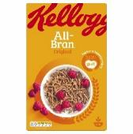 | Kelloggs | All-Bran | 18 | 750 | G | £54.71 |  |  | 180 | 365 |  | 100 | 20
S0210832 | 5000127062092 | Grocery | 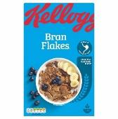 | Kelloggs | Bran Flakes | 14 | 750 | G | £37.24 |  |  | 180 | 365 |  | 100 | 20
S0210831 | 5053827193894 | Grocery | 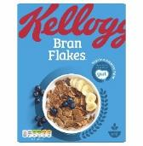 | Kelloggs | Bran Flakes | 6 | 375 | G | £10.71 |  |  | 180 | 365 |  | 45 | 15
S0227376 | 5053827193368 | Grocery | 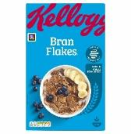 | Kelloggs | Bran Flakes (Standard Packs) | 6 | 500 | G | £14.14 |  |  | 180 | 365 |  | 90 | 30
S0229137 | 5059321007507 | Grocery | 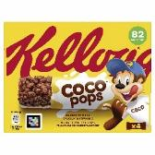 | Kelloggs | Cereal & Milk Bar Coco Pops 4X20G | 10 | 80 | G | £11.29 |  |  | 180 | 365 |  | 352 | 22
S0229139 | 5059321007477 | Grocery | 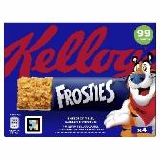 | Kelloggs | Cereal & Milk Bar Frosties 4X25G | 10 | 100 | G | £11.29 |  |  | 180 | 365 |  | 352 | 22
S0229138 | 5059321007538 | Grocery | 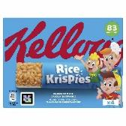 | Kelloggs | Cereal & Milk Bar Rice Krispies 4X20G | 10 | 80 | G | £11.29 |  |  | 180 | 365 |  | 352 | 22
S0227383 | 5000127780019 | Grocery | 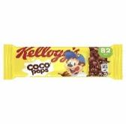 | Kelloggs | Cereal & Milk Bar Coco Pops | 25 | 20 | G | £6.66 |  |  | 180 | 365 |  | 90 | 30
S0227360 | 5000127770010 | Grocery | 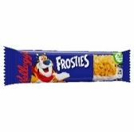 | Kelloggs | Cereal & Milk Bar Frosties | 25 | 25 | G | £6.66 |  |  | 180 | 365 | 327 | 90 | 30
S0227363 | 5050083090318 | Grocery | 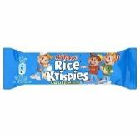 | Kelloggs | Cereal & Milk Bar Rice Krispies | 25 | 20 | G | £6.66 |  |  | 180 | 365 |  | 90 | 30
S0210833 | 5050083545221 | Grocery | 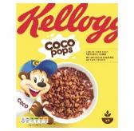 | Kelloggs | Coco Pops | 10 | 295 | G | £25.70 |  |  | 180 | 365 |  | 50 | 10
S0225409 | 5059319024479 | Grocery | 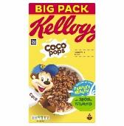 | Kelloggs | Coco Pops 14X650G | 14 | 650 | G | £49.10 |  |  | 180 | 365 |  | 90 | 30
S0225412 | 5059319028958 | Grocery | 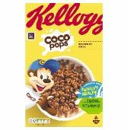 | Kelloggs | Coco Pops 18X420G | 18 | 420 | G | £45.48 |  |  | 180 | 365 |  | 90 | 30
S0197689 | 5050083392801 | Grocery | 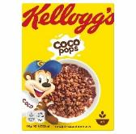 | Kelloggs | Coco Pops 40X35G | 40 | 35 | G | £16.57 |  |  | 180 | 365 | 328 | 120 | 10
S0227396 | 5059319021218 | Grocery | 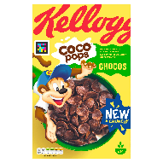 | Kelloggs | Coco Pops Chocos | 5 | 430 | G | £15.63 |  |  | 180 | 365 |  | 90 | 30
S0228445 | 5059319035154 | Grocery | 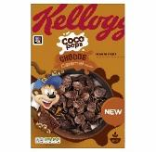 | Kelloggs | Coco Pops Chocos Caramel 430G | 10 | 430 | G | £26.65 |  |  | 180 | 365 |  | 90 | 30
S0225411 | 5059319025063 | Grocery | 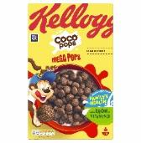 | Kelloggs | Coco Pops Mega Pops 10X365G | 10 | 365 | G | £23.38 |  |  | 180 | 365 |  | 90 | 30
S0227367 | 5000127010093 | Grocery | 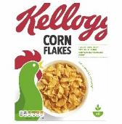 | Kelloggs | Corn Flakes (Standard Packs) | 10 | 250 | G | £18.83 |  |  | 180 | 365 |  | 90 | 30
S0228434 | 5000127014084 | Grocery | 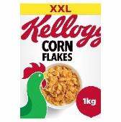 | Kelloggs | Corn Flakes 1Kg | 6 | 1000 | G | £21.28 |  |  | 180 | 365 |  | 90 | 30
S0197690 | 5050083393693 | Grocery | 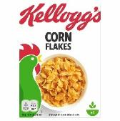 | Kelloggs | Corn Flakes 40X24G | 40 | 24 | G | £16.57 |  |  | 180 | 365 | 306 | 120 | 10
S0228446 | 5059319030517 | Grocery | 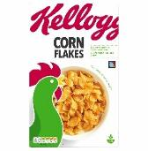 | Kelloggs | Corn Flakes 450G | 12 | 450 | G | £25.01 |  |  | 180 | 365 |  | 90 | 30
S0228444 | 5059319033501 | Grocery | 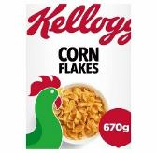 | Kelloggs | Corn Flakes 670G | 12 | 670 | G | £29.08 |  |  | 180 | 365 |  | 90 | 30
S0227357 | 5050083459825 | Grocery | 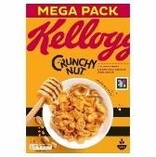 | Kelloggs | Crunchy Nut | 12 | 1000 | G | £55.86 |  |  | 180 | 365 |  | 90 | 30
S0227381 | 5053827209632 | Grocery | 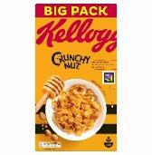 | Kelloggs | Crunchy Nut | 12 | 840 | G | £68.89 |  |  | 180 | 365 |  | 90 | 30
S0227355 | 5053827209762 | Grocery | 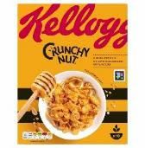 | Kelloggs | Crunchy Nut | 10 | 300 | G | £27.72 |  |  | 180 | 365 |  | 90 | 30
S0197691 | 5050083392863 | Grocery | 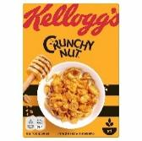 | Kelloggs | Crunchy Nut 40X35G | 40 | 35 | G | £16.57 |  |  | 180 | 365 | 302 | 120 | 10
S0228439 | 5059319032931 | Grocery | 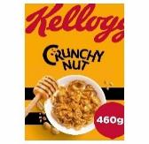 | Kelloggs | Crunchy Nut 460G | 18 | 460 | G | £45.91 |  |  | 180 | 365 |  | 90 | 30
S0210837 | 5059319022437 | Grocery | 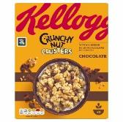 | Kelloggs | Crunchy Nut Clusters Chocolate | 6 | 400 | G | £24.53 |  |  | 180 | 365 |  | 80 | 20
S0210838 | 5059319022406 | Grocery | 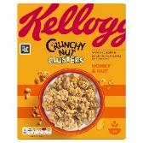 | Kelloggs | Crunchy Nut Clusters Honey & Nut | 12 | 400 | G | £46.39 |  |  | 180 | 365 |  | 40 | 10
S0227361 | 5053827105453 | Grocery | 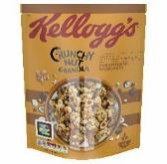 | Kelloggs | Crunchy Nut Granola Caramelised Hazelnut | 6 | 380 | G | £15.44 |  |  | 180 | 365 |  | 90 | 30
S0210839 | 5053827111300 | Grocery | 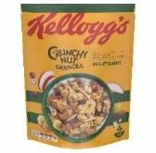 | Kelloggs | Crunchy Nut Granola Fruit & Nuts | 6 | 380 | G | £15.44 |  |  | 180 | 365 | 273 | 80 | 20
S0210840 | 5053827111348 | Grocery | 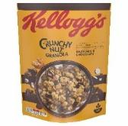 | Kelloggs | Crunchy Nut Granola Hazelnut & Chocolate | 6 | 380 | G | £15.44 |  |  | 180 | 365 | 292 | 80 | 20
S0227366 | 5053827182959 | Grocery | 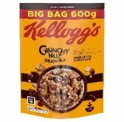 | Kelloggs | Crunchy Nut Granola Hazelnut & Chocolate | 5 | 600 | G | £16.73 |  |  | 180 | 365 |  | 90 | 30
S0210841 | 5059319005492 | Grocery |  | Kelloggs | Crunchy Nut Granola Not So Nutty Red Berries | 6 | 380 | G | £20.05 |  |  | 180 | 365 |  | 80 | 20
S0228442 | 5053827182980 | Grocery | 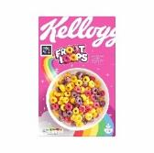 | Kelloggs | Froot Loops 375G | 6 | 375 | G | £15.44 |  |  | 180 | 365 |  | 90 | 30
S0227379 | 5000127153950 | Grocery | 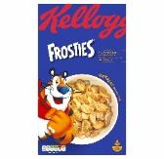 | Kelloggs | Frosties | 12 | 750 | G | £45.21 |  |  | 180 | 365 |  | 90 | 30
S0227368 | 5059319021867 | Grocery | 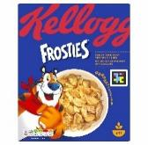 | Kelloggs | Frosties | 18 | 330 | G | £51.64 |  |  | 180 | 365 |  | 90 | 30
S0227392 | 5059319022314 | Grocery | 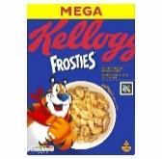 | Kelloggs | Frosties | 12 | 925 | G | £50.54 |  |  | 180 | 365 |  | 90 | 30
S0227375 | 5059319024196 | Grocery | 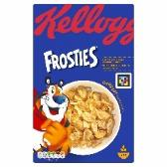 | Kelloggs | Frosties | 4 | 470 | G | £15.09 |  |  | 180 | 365 |  | 90 | 30
S0197692 | 5050083393846 | Grocery | 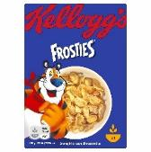 | Kelloggs | Frosties 40X35G | 40 | 35 | G | £16.57 |  |  | 180 | 365 | 280 | 120 | 10
S0227380 | 50127504 | Grocery | 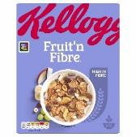 | Kelloggs | Fruit 'N Fibre | 18 | 500 | G | £43.89 |  |  | 180 | 365 |  | 90 | 30
S0210844 | 5000127079502 | Grocery | 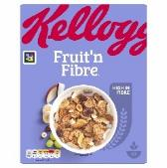 | Kelloggs | Fruit 'N Fibre | 12 | 375 | G | £24.48 |  |  | 180 | 365 |  | 60 | 15
S0210845 | 5059319004051 | Grocery | 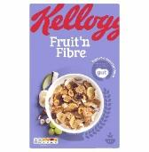 | Kelloggs | Fruit 'N Fibre | 16 | 700 | G | £49.65 |  |  | 180 | 365 |  | 100 | 20
S0197693 | 5050083393891 | Grocery | 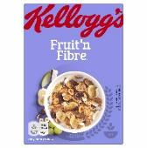 | Kelloggs | Fruit N Fibre 40X45G | 40 | 45 | G | £16.57 |  |  | 180 | 365 | 288 | 120 | 10
S0228440 | 5059319023991 | Grocery | 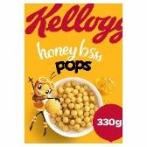 | Kelloggs | Honey Pops 330G | 16 | 330 | G | £29.93 |  |  | 180 | 365 |  | 90 | 30
S0231550 | 5059319039800 | Grocery | 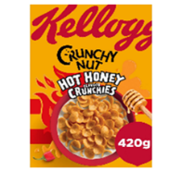 | Kelloggs | Kellogg'S Cruncy Nut Hot Honey Crunchies | 10 | 420 | G | £32.81 |  |  |  |  | 128 Min | 40 | 10
S0228199 | 5059319036137 | Grocery | 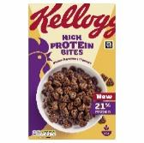 | Kelloggs | Kelloggs Hi Protein Chocolate Hazelnut Bites | 10 | 400 | G | £36.66 |  |  | 100 | 365 |  | 30 | 10
S0228435 | 5059319022581 | Grocery | 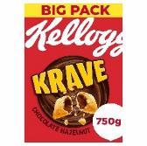 | Kelloggs | Krave 750G Hazelnut | 9 | 750 | G | £35.76 |  |  | 180 | 365 |  | 90 | 30
S0228438 | 5059319022550 | Grocery | 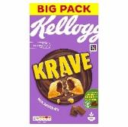 | Kelloggs | Krave 750G Milk | 9 | 750 | G | £35.76 |  |  | 180 | 365 |  | 90 | 30
S0227365 | 5059319015279 | Grocery | 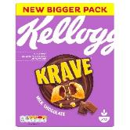 | Kelloggs | Krave Milk Chocolate | 5 | 410 | G | £17.44 |  |  | 180 | 365 | 253 | 90 | 30
S0231686 | 5059319039008 | Grocery | 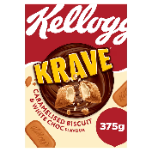 | Kelloggs | Kellogg'S 375G Krave Caramelised Biscuit & White Choc | 6 | 375 | G | £23.37 |  |  | 90 | 80 | 10
S0228436 | 5059319035895 | Grocery |  | Kelloggs | Oaties Chocolate 500G | 5 | 500 | G | £15.51 |  |  | 180 | 365 |  | 90 | 30
S0229016 | 5059319035741 | Grocery |  | Kelloggs | Oaties Original 500G | 5 | 500 | G | £20.35 |  |  | 180 | 365 |  | 120 | 20
S0210848 | 5059319021836 | Grocery |  | Kelloggs | Rice Krispies | 6 | 310 | G | £15.42 |  |  | 180 | 365 |  | 60 | 15
S0210849 | 5059319024165 | Grocery |  | Kelloggs | Rice Krispies | 12 | 660 | G | £42.09 |  |  | 180 | 365 |  | 48 | 12
S0228437 | 5059319029702 | Grocery |  | Kelloggs | Rice Krispies 430G | 14 | 430 | G | £35.38 |  |  | 180 | 365 |  | 90 | 30
S0197698 | 5050083197840 | Grocery |  | Kelloggs | Rice Krispies Multigrain | 4 | 350 | G | £12.76 |  |  | 180 | 365 | 264 | 120 | 20
S0197694 | 5050083393624 | Grocery |  | Kelloggs | Rice Krispies Portion Pack | 40 | 45 | G | £16.57 |  |  | 180 | 365 | 293 | 120 | 10
S0227406 | 5059321003448 | Grocery |  | Kelloggs | Rice Krispies Squares American Cookies & Cream 11 X 4X34G | 11 | 112 | G | £16.28 |  |  | 180 | 365 |  | 90 | 30
S0191614 | 5059321003066 | Grocery |  | Kelloggs | Rice Krispies Squares Chocolatey Orange 11 X 4X36G | 11 | 144 | G | £16.28 |  |  | 180 | 365 |  | 160 | 20
S0199255 | 5000127730168 | Grocery |  | Kelloggs | Rice Krispies Squares Curious Caramel & Chocolate | 30 | 36 | G | £10.06 |  |  | 180 | 365 |  | 486 | 27
S0210868 | 5000127730175 | Grocery |  | Kelloggs | Rice Krispies Squares Curious Caramel & Chocolate 11 X 4X36G | 11 | 144 | G | £15.44 |  |  | 180 | 365 |  | 160 | 20
S0199256 | 5050083449031 | Grocery |  | Kelloggs | Rice Krispies Squares Delightfully Chocolatey | 30 | 36 | G | £10.06 |  |  | 180 | 365 |  | 486 | 27
S0210869 | 5050083449048 | Grocery |  | Kelloggs | Rice Krispies Squares Delightfully Chocolatey 11 X 4X36G | 11 | 144 | G | £15.44 |  |  | 180 | 365 |  | 160 | 20
S0210870 | 5000127730137 | Grocery |  | Kelloggs | Rice Krispies Squares Marshmallow 11 X 4X28G | 11 | 112 | G | £15.44 |  |  | 180 | 365 |  | 160 | 20
S0210852 | 5000127163096 | Grocery |  | Kelloggs | Special K | 12 | 750 | G | £42.09 |  |  | 180 | 365 |  | 100 | 20
S0227354 | 5053827182782 | Grocery |  | Kelloggs | Special K | 10 | 300 | G | £26.17 |  |  | 180 | 365 |  | 90 | 30
S0197695 | 5053827101554 | Grocery |  | Kelloggs | Special K 40X30G | 40 | 30 | G | £16.57 |  |  | 180 | 365 | 305 | 120 | 10
S0228433 | 5059319029016 | Grocery |  | Kelloggs | Special K 440G | 18 | 440 | G | £42.09 |  |  | 180 | 365 | 320 | 40 | 5
S0227398 | 5059321004728 | Grocery |  | Kelloggs | Special K Bar Dark Chocolate 14 X 6X21.5G | 14 | 129 | G | £33.35 |  |  | 180 | 365 |  | 90 | 30
S0227393 | 5059321004636 | Grocery |  | Kelloggs | Special K Bar Juicy Red Berry 14 X 6X21.5G | 14 | 129 | G | £33.35 |  |  | 180 | 365 |  | 90 | 30
S0227352 | 5059319016481 | Grocery |  | Kelloggs | Special K Granola Dark Chocolate | 6 | 350 | G | £16.32 |  |  | 180 | 365 |  | 90 | 30
S0227397 | 5053827142281 | Grocery |  | Kelloggs | Special K Milk Chocolate | 5 | 360 | G | £17.38 |  |  | 180 | 365 |  | 90 | 30
S0227370 | 5000127521056 | Grocery |  | Kelloggs | Special K Red Berries | 16 | 500 | G | £56.11 |  |  | 180 | 365 |  | 90 | 30
S0227390 | 50127030 | Grocery |  | Kelloggs | Sultana Bran | 6 | 500 | G | £14.79 |  |  | 180 | 365 |  | 90 | 30
S0225408 | 5059319031088 | Grocery |  | Kelloggs | Variety 12X196G | 12 | 196 | G | £21.28 |  |  | 180 | 365 |  | 90 | 30

